Results
GIVEN:

 |  |  |  |  |  |  |  |  |  |  | First | Roof
 | Number of Floors: |  | 2 |  | Number of Bays/Row: |  | 3 |  | Number of Rows: |  | 2 | 3

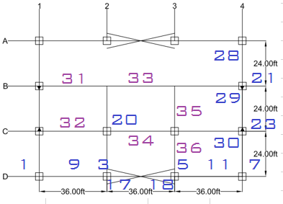
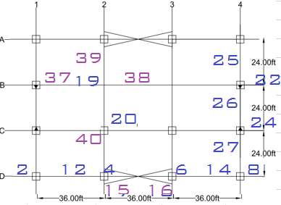
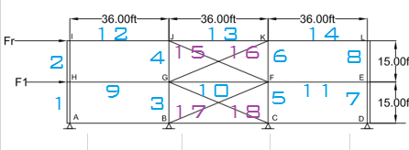

 |  |  |  |  |  |  |  |  |  |  | Figure 3 - | Braced-Elevation

 |  | Figure 1 - | First Floor Plan |  |  | Figure 2 - | Roof Floor Plan
 |  |  |  |  |  |  |  |  |  | Figure 4 - | Moment Frame - Elevation
 |  | Story Shear
ALLOWED DEFLECTIONS |  | 1
hsx | 0.015
Member Ref. | Frame | Floor | Member | Section | Length | Unit Weight | Spacing O.C. | Qty of Members | Amount of Steel | DCR Moment | DCR Shear | Type of Support | Load Condition
(#) | (type) | (Units) |  | (Shape) | (ft) | (plf) | (ft) | (Units) | (kips) | (ratio) | (ratio)
1 | Braced | First | Column | W8X40 | 15 | 40 | 12 | 2.00 | 1.20 |  |  | Simply | Uniform
2 | Braced | Roof | Column | W8X40 | 15 | 40 |  | 0.00 | 0.00 |  |  | Simply | Uniform
3 | Braced | First | Column | W8X40 | 15 | 40 |  | 3.00 | 1.80 |  |  | Simply | Uniform
4 | Braced | Roof | Column | W8X40 | 15 | 40 |  | 2.00 | 1.20 |  |  | Simply | Uniform
5 | Braced | First | Column | W8X40 | 15 | 40 |  | 2.00 | 1.20 |  |  | Moment | Uniform
6 | Braced | Roof | Column | W8X40 | 15 | 40 |  | 0.00 | 1.20 |  |  | Simply | Uniform
7 | Moment | First | Column | W8X40 | 15 | 40 |  | 0.00 | 2.40 |  |  | Simply | Uniform
8 | Moment | Roof | Column | W8X40 | 15 | 40 |  | 0.00 | 0.77 |  |  | Simply | 2-Point
9 | Braced | First | Girder | W21X55 | 36 | 55 |  | 0.00 | 1.68 |  |  | Simply | Uniform
10 | Braced | First | Interior Girder | W21X55 | 36 | 55 |  | 0.00 | 1.54 |  |  | Simply | Uniform
 |  | Story Shear
ALLOWED DEFLECTIONS |  | 1
hsx | 0.015
11 | Braced | First | Beam | W21X55 | 36 | 55 |  | 0.00 | 2.11 |  |  | Simply | Uniform
12 | Braced | Roof | Girder | W14X34 | 36 | 34 |  | 0.00 | 4.22 |  |  | Simply | Uniform
13 | Braced | Roof | Interior Girder | W14X34 | 36 | 34 |  | 0.00 | 2.11 |  |  | Simply | Uniform
14 | Braced | Roof | Girder | W14X34 | 36 | 34 |  | 0.00 | #N/A |  |  | Simply | Uniform
15 | Braced | Roof | Braces | WT9X48.5 | 39 | 48.5 |  | 0.00 | #N/A |  |  | Simply | 2-Point
16 | Braced | Roof | Braces | WT9X48.5 | 39 | 48.5 |  | 0.00 | #N/A |  |  | Moment | Uniform
17 | Braced | =Design!D44 | Braces | WT9X48.5 | 39 | 48.5 |  | 0.00 | #N/A |  |  | Simply | Uniform
18 | Braced | First | Braces | WT9X48.5 | 39 | 48.5 |  | 0.00 | 3.36 |  |  | Simply | 2-Point
19 | Interior | Roof | Roof Column | 0 | 15 | 55 |  | 0.00 | 1.68 |  |  | Simply | Uniform
20 | Interior | First | Interior Column | 0 | 30 | 55 |  | 0.00 | #N/A |  |  | Simply | Uniform
21 | Moment | First | Column | W8X40 | 15 | 40 |  | 0.00 | #N/A |  |  | Simply | Axial
22 | Moment | Roof | Column | W8X40 | 15 | 40 |  | 0.00 | #N/A |  |  | Simply | Uniform
23 | Moment | First | Column | W8X40 | 15 | 40 |  | 2.00 | #N/A |  |  | Simply | Uniform
24 | Moment | Roof | Column | W8X40 | 15 | 40 |  | 4.00 | #N/A |  |  | 0 | 0.00
25 | Moment | Roof | Beam | W12X16 | 24 | 16 |  | 2.00 | 0.00 |  |  | 0 | 0.00
26 | Moment | Roof | Interior Beam | W18X35 | 24 | 35 |  | 2.00 | 0.00 |  |  | 0 | 0.00
27 | Moment | Roof | Beam | W12X16 | 24 | 16 |  | 4.00 | 0.00 |  |  | 0 | 0.00
28 | Moment | First | Beam | W14X22 | 24 | 22 |  | 4.00 | 0.00 |  |  | 0 | 0.00
29 | Moment | First | Interior Beam | W21X44 | 24 | 44 |  | 4.00 | 0.00 |  |  | 0 | 0.00
30 | Moment | First | Beam | W14X22 | 24 | 22 |  | 4.00 | 0.00 |  |  | 0 | 0.00
31 | Interior | First | Girder |  | 36 |  |  | 24.00 | 0.00 |  |  | 0 | 0.00
32 | Interior | First | Girder | 0 | 36 |  |  | 6.00 | 0.00 |  |  | 0 | 0.00
33 | Interior | First | Interior Girder |  | 36 |  |  | 2.00 | 0.00 |  |  | 0 | 0.00
34 | Interior | First | Interior Girder | 0 | 36 |  |  | 4.00 | 0.00 |  |  | 0 | 0.00
35 | Interior | First | Beam | W18X35 | 24 | 35 |  | 4.00 | 0.00 |  |  | 0 | 0.00
36 | Interior | First | Beam | W18X35 | 24 | 35 |  | 2.00 | 0.00 |  |  | 0 | 0.00
37 | Interior | Roof | Girder |  | 36 |  |  | 2.00 | 0.00 |  |  | 0 | 0.00
38 | Interior | Roof | Interior Girder | 0 | 36 |  |  | 2.00 | 0.00 |  |  | 0 | 0.00
39 | Interior | Roof | Beam | W12X19 | 48 |  |  | 2.00 | 0.00 |  |  | 0 | 0.00
40 | Interior | Roof | Beam | W12X19 | 24 |  |  | 2.00 | 0.00 |  |  | 0 | 0.00
TOTAL |  |  |  |  |  |  |  |  | #N/A

Design
GIVEN:

 |  |  |  |  |  |  |  |  |  |  | First | Roof
 | Number of Floors: |  | 2 |  | Number of Bays/Row: |  | 3 |  | Number of Rows: |  | 2 | 3
 | Beam Length |  | 36 |  | Girder Length |  | 24 |  | Interior Girder |  | 48
 | Short Column Height |  | 15 |  | Long Column Height |  | 30

 |  |  |  |  |  |  |  |  |  | Figure 3 - | Braced-Elevation

 | Figure 1 - | First Floor Plan |  |  |  | Figure 2 - | Roof Floor Plan

 |  |  |  |  |  |  |  |  |  | Figure 4 - | Moment Frame - Elevation

Member Ref. | Frame | Floor | Member | Section | Length | Unit Weight | Spacing or a | Beams/Bay | Qty of Members | Type of Support | Load Condition | Case | Amount of Steel
(#) | (type) | (Units) |  | (Shape) | (ft) | (plf) | (ft) | (Units) | (Units) |  |  |  | (kips)
1 | Braced | First | Column | W8X40 | 15 | 40 | 12 |  | 2 | Simply | Uniform | 1 | 1.20
2 | Braced | Roof | Column | W8X40 | 15 | 40 | 1.6666666667 |  | 0 | Simply | Uniform | 1 | 0.00
3 | Braced | First | Column | W8X40 | 15 | 40 | 5 |  | 3 | Simply | Uniform | 1 | 1.80
4 | Braced | Roof | Column | W8X40 | 15 | 40 |  |  | 2 | Simply | Uniform | 1 | 1.20
5 | Braced | First | Column | W8X40 | 15 | 40 |  |  | 2 | Moment | Uniform |  | 1.20
6 | Braced | Roof | Column | W8X40 | 15 | 40 |  |  |  | Simply | Uniform | 1
7 | Moment | First | Column | W8X40 | 15 | 40 |  |  |  | Simply | Uniform | 1
8 | Moment | Roof | Column | W8X40 | 15 | 40 |  |  |  | Simply | Uniform | 1
9 | Braced | First | Girder | W21X55 | 36 | 55 | 12 |  |  | Simply | 2-Point | 9
10 | Braced | First | Interior Girder | W21X55 | 36 | 55 | 12 |  |  | Simply | 2-Point | 9
11 | Braced | First | Beam | W21X55 | 36 | 55 | 12 |  |  | Simply | 2-Point | 9
12 | Braced | Roof | Girder | W14X34 | 36 | 34 | 12 |  |  | Simply | 2-Point | 9
13 | Braced | Roof | Interior Girder | W14X34 | 36 | 34 | 12 |  |  | Simply | 2-Point | 9
14 | Braced | Roof | Girder | W14X34 | 36 | 34 | 12 |  |  | Simply | 2-Point | 9
15 | Braced | Roof | Braces | WT9X48.5 | 39 | 48.5
16 | Braced | Roof | Braces | WT9X48.5 | 39 | 48.5
17 | Braced | First | Braces | WT9X48.5 | 39 | 48.5
18 | Braced | First | Braces | WT9X48.5 | 39 | 48.5
19 | Interior | Roof | Roof Column | W8X40 | 15 | 40 |  |  |  | Simply | Uniform | 1
20 | Interior | First | Interior Column | W8X40 | 30 | 40 |  |  |  | Simply | Uniform | 1
21 | Moment | First | Column | W8X40 | 15 | 40 |  |  |  | Simply | Uniform | 1
22 | Moment | Roof | Column | W8X40 | 15 | 40 |  |  |  | Simply | Uniform | 1
23 | Moment | First | Column | W8X40 | 15 | 40 |  |  | 2 | Simply | Uniform | 1 | 1.20
24 | Moment | Roof | Column | W8X40 | 15 | 40 | 5 |  | 4 | Simply | Uniform | 1 | 2.40
25 | Moment | Roof | Beam | W12X16 | 24 | 16 | 8 |  | 2 | Simply | 2-Point | 9 | 0.77
26 | Moment | Roof | Interior Beam | W18X35 | 24 | 35 | 8 |  | 2 | Simply | Uniform | 1 | 1.68
27 | Moment | Roof | Beam | W12X16 | 24 | 16 | 8 |  | 4 | Simply | Uniform | 1 | 1.54
 |  | Story Shear
ALLOWED DEFLECTIONS |  | 1
hsx | 0.015
28 | Moment | First | Beam | W14X22 | 24 | 22 |  |  | 4 | Simply | Uniform | 1 | 2.11
29 | Moment | First | Interior Beam | W21X44 | 24 | 44 | 8 |  | 4 | Simply | Uniform | 1 | 4.22
30 | Moment | First | Beam | W14X22 | 24 | 22 | 8 |  | 4 | Simply | Uniform | 1 | 2.11
31 | Interior | First | Girder | 0 | 36 | #N/A | 12 | 2.00 | 24 | Simply | Uniform | 1 | #N/A
32 | Interior | First | Girder | 0 | 36 | #N/A | 12 |  | 6 | Simply | 2-Point | 9 | #N/A
33 | Interior | First | Interior Girder | 0 | 36 | #N/A |  |  | 2 | Moment | Uniform | 1 | #N/A
34 | Interior | First | Interior Girder | 0 | 36 | #N/A |  |  | 4 | Simply | Uniform | 1 | #N/A
35 | Interior | First | Beam | W18X35 | 24 | 35 | 8 |  | 4 | Simply | 2-Point | 9 | 3.36
36 | Interior | First | Beam | W18X35 | 24 | 35 | 8 |  | 2 | Simply | Uniform | 1 | 1.68
37 | Interior | Roof | Girder | 0 | 36 | #N/A |  |  | 2 | Simply | Uniform | 1 | #N/A
38 | Interior | Roof | Interior Girder | 0 | 36 | #N/A |  |  | 2 | Simply | Axial |  | #N/A
39 | Interior | Roof | Beam | W12X19 | 48 | #N/A |  |  | 2 | Simply | Uniform | 1 | #N/A
40 | Interior | Roof | Beam | W12X19 | 24 | #N/A |  |  | 2 | Simply | Uniform | 1 | #N/A
TOTAL |  |  |  |  |  |  |  |  | 79 |  |  |  | #N/A

First Floor
GIVEN:

Number of Floors: |  | 2

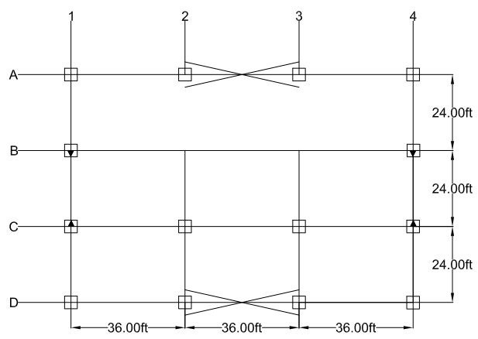
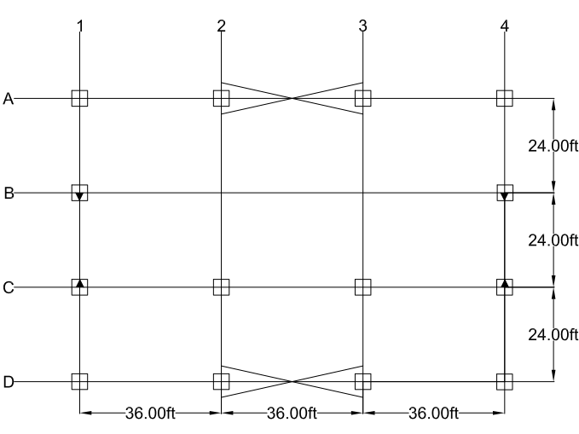

Figure 1 - | First Floor Plan |  |  |  | Figure 2 - | Roof Floor Plan

ASSUMPTIONS:

Beams running parallel to moment frame for both levels

 |  |  |  |  |  | Reference: |  | Excel
 |  |  |  |  |  | Section |  | Eq/Fig/Table/Notes
1. FIRST FLOOR |  |  |  |  |  | Information

Member Ref: |  | 36 |  |  |  | From Summary Sheet
Frame: |  | Interior
Floor: |  | First
Beam Length | L = | 24 | ft |  |  | Project Information
Beam Spacing | s = | 8 | ft | O.C. |  | Enter chosen spacing for beams
Support Condition |  | Simply
Load Condition |  | Uniform |  |  |  | AISC 14th |  | Table | 3-23
Case |  | 1 |  |  |  | AISC 14th |  | Table | 3-24

Loads:
Dead Load | DL = | 128 | psf |  |  | Project Loads
Steel Selected | w = | 35 | psf |  |  | Project Loads
Total Dead Load | TDL = | 163 | psf |  |  | Per Beam Selection Below
Live Load | LL = | 100 | psf
Snow Load | S = | 0.0 | psf
Wind Load | W = | 0.0 | psf
Seismic Load | E = | 0.0 | psf

LRFD: |  | 1st Floor
1. 1.4D |  | 228.2 | psf
2. 1.2D + 1.6L + .5(Lr or S or R) |  | 355.6 | psf
3. 1.2D + 1.6(Lr or S or R) + (L or .5W) |  | 295.6 | psf
4. 1.2D + 1.0W + L + .5(Lr or S or R) |  | 195.6 | psf
5. 1.2D + 1.0E + L + .2S |  | 295.6 | psf
6. 0.9D + 1.0W |  | 146.7 | psf
7. 0.9D + 1.0E |  | 146.7 | psf

Controlling Load: |  | 355.6 | psf
Equivalent Linear Load: |  | 2844.8 | plf |  |  | Given spacing chosen above

Demand Values:
Ultimate Moment, Mu = |  | 204.8 | kip.ft |  |  | Given load and support conditions above
Ultimate Shear, Vu = |  | 34.1 | kip |  |  | Given load and support conditions above

Beam Selection, W: |  | W18X35
 | fMn | 249.0 | kip.ft |  |  | AISC |  | Table | 3-2
 | fVn | 159.0 | kip |  |  | AISC |  | Table | 3-2
Beam Depth: | d | 17.7 | in

Design Check: | fMn>Mu? | YES
 | fVn>Vu? | YES
Depth Clearance: |  | OK

DCR | Moment | 0.82 | OK |  |  | Demand Capacity Ratio
 | Shear | 0.21 | OK

MOMENT FRAME

CASE 1: GIRDER CD/AB ALONG COLUMN LINES 1 AND 4

Number of Floors: |  | 2
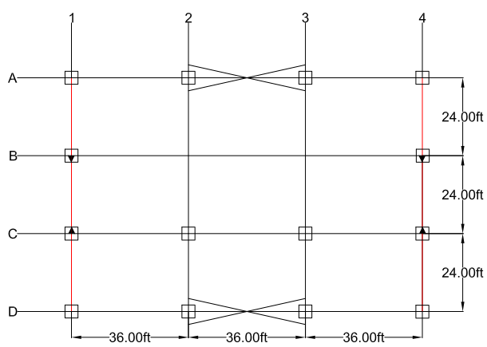
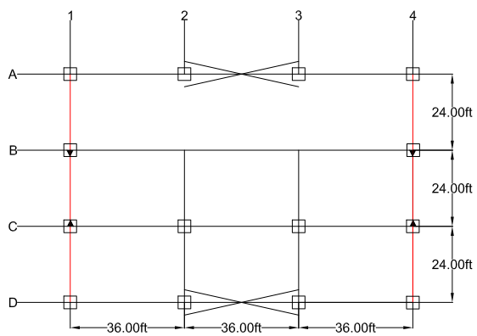
 |  | Story Shear
ALLOWED DEFLECTIONS |  | 1
hsx | 0.015

Figure 1 - | First Floor Plan |  |  |  | Figure 2 - | Roof Floor Plan

ASSUMPTIONS:

Figure 3 - | Girder Loads Level 1 and Roof

 |  |  |  |  |  | Reference: |  | Excel
 |  |  |  |  |  | Section |  | Eq/Fig/Table/Notes
1. FIRST FLOOR |  |  |  |  |  | Information

Member Ref: |  | 28 |  |  |  | From Summary Sheet
Frame: |  | Moment
Floor: |  | First
Beam Length | L = | 24 | ft |  |  | Project Information
Distance a | a = | 0 | ft |  |  | AISC 14th |  | Table | 3-23
Support Condition |  | Simply
Load Condition |  | Uniform |  |  |  | AISC 14th |  | Table | 3-23
Case |  | 1 |  |  |  | AISC 14th |  | Table | 3-24
Beam Tributary Area Ab = |  | 288 | ft2 |  |  | Enter chosen spacing for beams

Loads:
Dead Load | DL = | 128 | psf |  |  | Project Loads
Steel Selected | w = | 22 | psf
Total Dead Load | TDL = | 150 | psf
Live Load | LL = | 100 | psf
Snow Load | S = | 0.0 | psf
Wind Load | W = | 0.0 | psf
Seismic Load | E = | 0.0 | psf

LRFD: |  | 1st Floor
1. 1.4D |  | 210.0 | psf
2. 1.2D + 1.6L + .5(Lr or S or R) |  | 340.0 | psf
3. 1.2D + 1.6(Lr or S or R) + (L or .5W) |  | 280.0 | psf
4. 1.2D + 1.0W + L + .5(Lr or S or R) |  | 180.0 | psf
5. 1.2D + 1.0E + L + .2S |  | 280.0 | psf
6. 0.9D + 1.0W |  | 135.0 | psf
7. 0.9D + 1.0E |  | 135.0 | psf

Controlling Load: |  | 340.0 | psf |  |  | Given spacing chosen above
Equivalent Linear 1/2 Load: |  | 1360 | plf

Demand Values:
Ultimate Moment, Mu = |  | 97.9 | kip.ft |  |  | Given load condition specified above
Ultimate Shear, Vu = |  | 16.3 | kip |  |  | Given load condition specified above

Beam Selection, W: |  | W14X22
 | fMn | 125.0 | kip.ft |  |  | AISC |  | Table | 3-2
 | fVn | 94.5 | kip |  |  | AISC |  | Table | 3-2
Beam Depth: | d | 13.7 | in

Design Check: | fMn>Mu? | YES
 | fVn>Vu? | YES
Depth Clearance: |  | OK

DCR | Moment | 0.78 | OK |  |  | Demand Capacity Ratio
 | Shear | 0.17 | OK

CASE 2: BRACED GIRDER BC ALONG COLUMN LINES 1 AND 4

Number of Floors: |  | 2

 |  | Story Shear
ALLOWED DEFLECTIONS |  | 1
hsx | 0.015

Figure 1 - | First Floor Plan |  |  |  | Figure 2 - | Roof Floor Plan

ASSUMPTIONS:

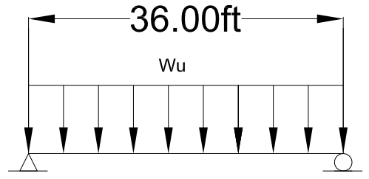

Figure 3 - | Girder Loads Level 1 and Roof

 |  |  |  |  |  | Reference: |  | Excel
 |  |  |  |  |  | Section |  | Eq/Fig/Table/Notes
1. FIRST FLOOR |  |  |  |  |  | Information

Member Ref: |  | 29 |  |  |  | From Summary Sheet
Frame: |  | Moment
Floor: |  | First
Beam Length | L = | 24 | ft |  |  | Project Information
Distance a | a = | 8 | ft |  |  | AISC 14th |  | Table | 3-23
Support Condition |  | Simply
Load Condition |  | Uniform |  |  |  | AISC 14th |  | Table | 3-23
Case |  | 1 |  |  |  | AISC 14th |  | Table | 3-24
Beam Tributary Area Ab = |  | 288 | ft2 |  |  | Enter chosen spacing for beams

Loads:
Dead Load | DL = | 128 | psf |  |  | Project Loads
Steel Selected | w = | 44 | psf
Total Dead Load | TDL = | 172 | psf
Live Load | LL = | 100 | psf |  |  | Project Loads
Snow Load | S = | 31.5 | psf |  |  | Project Loads
Wind Load | W = | -23.5 | psf |  |  | Project Loads
Seismic Load | E = |  | psf

End Moments per Load:
Dead Load | MDL = | 99.1 | kip.ft
Live Load | MLL = | 57.6 | kip.ft
Snow Load | MSNOW = | 18.1 | kip.ft
Wind Load | MWIND = | 146.8 | kip.ft |  |  | From Moment Frame-Wind Calculations
Seismic Load | Mseismic = | 125.3 | kip.ft |  |  | From Moment Frame-Seismic Calculations

LRFD: |  | 1st Floor
1. 1.4D |  | 138.7 | kip.ft
2. 1.2D + 1.6L + .5(Lr or S or R) |  | 220.1 | kip.ft
3. 1.2D + 1.6(Lr or S or R) + (L or .5W) |  | 221.3 | kip.ft
4. 1.2D + 1.0W + L + .5(Lr or S or R) |  | 274.7 | kip.ft
5. 1.2D + 1.0E + L + .2S |  | 305.4 | kip.ft
6. 0.9D + 1.0W |  | 235.9 | kip.ft
7. 0.9D + 1.0E |  | 214.4 | kip.ft

Controlling Moment: |  | 305.4 | kip.ft
Ultimate Shear, Vu = |  | 50.9 | kip |  |  | Given load and support conditions above

Beam Selection, W: |  | W21X44
 | fMn | 358.0 | kip.ft |  |  | AISC |  | Table | 3-2
 | fVn | 217.0 | kip |  |  | AISC |  | Table | 3-2
Beam Depth: | d | 20.7 | in

Design Check: | fMn>Mu? | YES
 | fVn>Vu? | YES
Depth Clearance: |  | OK

DCR | Moment | 0.85 | OK |  |  | Demand Capacity Ratio
 | Shear | 0.23 | OK

MOMENT-FRAME EDGE COLUMNS SOUTH SIDE:

Number of Floors: |  |  | 2

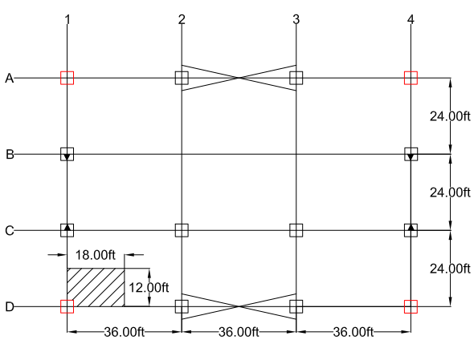
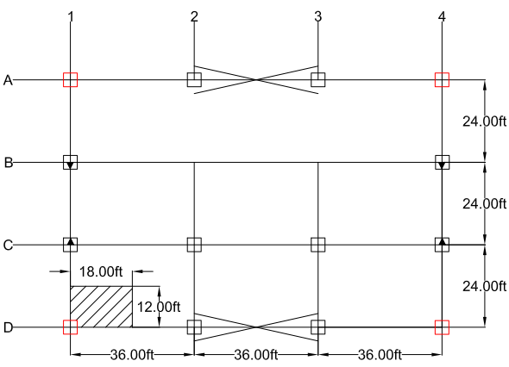

Figure 1 - |  | First Floor Plan |  |  |  | Figure 2 - | Roof Floor Plan

ASSUMPTIONS:

Cummulative loads control design
South Side controls design for symmetrical frame design

 |  | Story Shear
ALLOWED DEFLECTIONS |  | 1
hsx | 0.015
 |  |  |  |  |  | Reference: |  | Excel
 |  |  |  |  |  | Section |  | Eq/Fig/Table/Notes
1. FIRST FLOOR |  |  |  |  |  | Information

Member Ref: |  |  | 7 |  | 19 | From Summary Sheet
Frame: |  |  | Moment
Floor: |  |  | First
Beam Length |  | L = | 15 | ft |  | Project Information
Distance a |  | a = | 0 | ft |  | AISC 14th |  | Table | 3-23
Support Condition |  |  | Simply
Load Condition |  |  | Uniform |  |  | AISC 14th |  | Table | 3-23
Case |  |  | 1 |  |  | AISC 14th |  | Table | 3-24
Tributary Area |  | A = | 216 | ft2 |  | Per figure 1 and 2

Loads:
Dead Load |  | DL = | 154 | psf
Live Load |  | LL = | 120 | psf
Snow Load |  | S = | 31.5 | psf
Wind Load |  | W = | -23.5 | psf
Seismic Load |  | E = |  | psf

LRFD: |  |  | 1st Floor
1. 1.4D |  |  | 215.6 | psf
2. 1.2D + 1.6L + .5(Lr or S or R) |  |  | 392.5 | psf
3. 1.2D + 1.6(Lr or S or R) + (L or .5W) |  |  | 355.2 | psf
4. 1.2D + 1.0W + L + .5(Lr or S or R) |  |  | 177.1 | psf
5. 1.2D + 1.0E + L + .2S |  |  | 311.1 | psf
6. 0.9D + 1.0W |  |  | 115.1 | psf
7. 0.9D + 1.0E |  |  | 138.6 | psf

Controlling Load: |  |  | 392.5 | psf
Control: |  | Pu | 84.8 | kip

Buckling Analysis:
 |  | K = | 1 |  |  | AISC 14th |  | Table | C-A-7.1
 |  | KL = | 15 | ft
 |  | KL/r = | 60 | ft |  | Assumed
 |  | fFcr = | 34.6 | ksi |  | AISC 14th |  | Table | 4-22
Demand Value: |  | Areqd = | 2.45 | in2

Beam Selection, W: |  |  | W8X40
 |  | ry = | 2.04 | in3
 |  | A = | 11.7 | in2
 |  | KL/r = | 88.24
 |  | fFcr = | 25.2 | ksi |  | AISC 14th |  | Table | 4-22
 |  | fPn = | 294.84 | kips

Design Check: |  | fPn>Pu? | YES

DCR | Compressive | 0.29 | OK |  |  | Demand Capacity Ratio

MOMENT-FRAME INTERIOR COLUMNS WEST/EAST SIDE:

Number of Floors: |  |  | 2

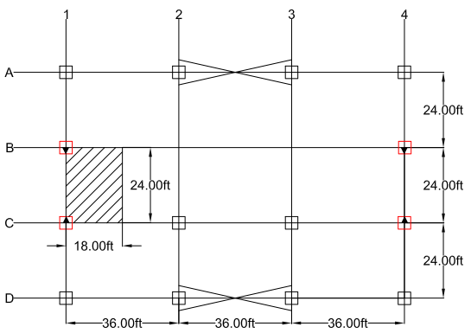
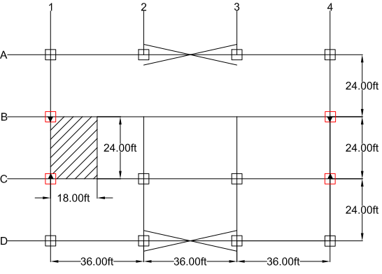

Figure 1 - |  | First Floor Plan |  |  |  | Figure 2 - | Roof Floor Plan

ASSUMPTIONS:

Cummulative loads control design
South Side controls design for symmetrical frame design

 |  | Story Shear
ALLOWED DEFLECTIONS |  | 1
hsx | 0.015
 |  |  |  |  |  | Reference: |  | Excel
 |  |  |  |  |  | Section |  | Eq/Fig/Table/Notes
1. FIRST FLOOR |  |  |  |  |  | Information

Member Ref: |  |  | 23 |  | 19 | From Summary Sheet
Frame: |  |  | Moment
Floor: |  |  | First
Beam Length |  | L = | 15 | ft |  | Project Information
Distance a |  | a = | 0 | ft |  | AISC 14th |  | Table | 3-23
Support Condition |  |  | Simply
Load Condition |  |  | Uniform |  |  | AISC 14th |  | Table | 3-23
Case |  |  | 1 |  |  | AISC 14th |  | Table | 3-24
Tributary Area |  | A = | 432 | ft2 |  | Per figure 1 and 2

Loads:
Dead Load |  | DL = | 154 | psf
Live Load |  | LL = | 120 | psf
Snow Load |  | S = | 31.5 | psf
Wind Load |  | W = | -23.5 | psf
Seismic Load |  | E = |  | psf

LRFD: |  |  | 1st Floor
1. 1.4D |  |  | 215.6 | psf
2. 1.2D + 1.6L + .5(Lr or S or R) |  |  | 392.5 | psf
3. 1.2D + 1.6(Lr or S or R) + (L or .5W) |  |  | 355.2 | psf
4. 1.2D + 1.0W + L + .5(Lr or S or R) |  |  | 177.1 | psf
5. 1.2D + 1.0E + L + .2S |  |  | 311.1 | psf
6. 0.9D + 1.0W |  |  | 115.1 | psf
7. 0.9D + 1.0E |  |  | 138.6 | psf

Controlling Load: |  |  | 392.5 | psf
Control: |  | Pu | 169.6 | kip

Buckling Analysis:
 |  | K = | 1 |  |  | AISC 14th |  | Table | C-A-7.1
 |  | KL = | 15 | ft
 |  | KL/r = | 60 | ft |  | Assumed
 |  | fFcr = | 34.6 | ksi |  | AISC 14th |  | Table | 4-22
Demand Value: |  | Areqd = | 4.90 | in2

Beam Selection, W: |  |  | W8X40
 |  | ry = | 2.04 | in3
 |  | A = | 11.7 | in2
 |  | KL/r = | 88.24
 |  | fFcr = | 25.2 | ksi |  | AISC 14th |  | Table | 4-22
 |  | fPn = | 294.84 | kips

Design Check: |  | fPn>Pu? | YES

DCR | Compressive | 0.58 | OK |  |  | Demand Capacity Ratio

BRACED FRAME

GIVEN:

Number of Floors: |  | 2

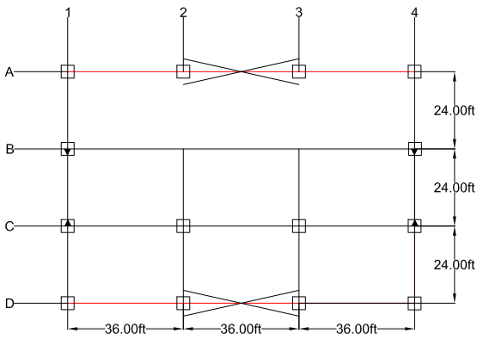
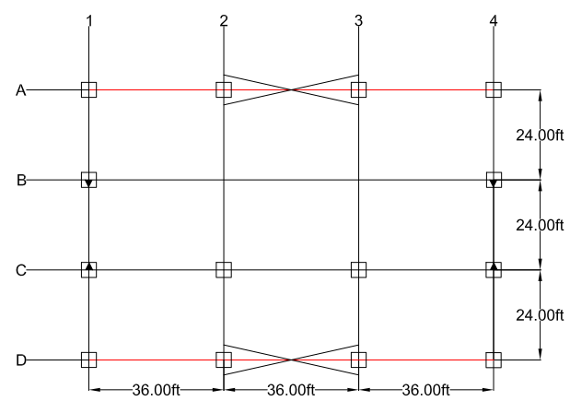

Figure 1 - | First Floor Plan |  |  |  | Figure 2 - | Roof Floor Plan

ASSUMPTIONS:

Figure 3 - | Girder Loads Level 1 and Roof
 |  |  |  |  |  | Reference: |  | Excel
 |  |  |  |  |  | Section |  | Eq/Fig/Table/Notes
1. FIRST FLOOR |  |  |  |  |  | Information

Member Ref: |  | 9 |  | 8 |  | From Summary Sheet
Frame: |  | Braced
Floor: |  | First
Beam Length | L = | 36 | ft |  |  | Project Information
Distance a | a = | 12 | ft |  |  | AISC 14th |  | Table | 3-23
Support Condition |  | Simply
Load Condition |  | 2-Point |  |  |  | AISC 14th |  | Table | 3-23
Case |  | 9 |  |  |  | AISC 14th |  | Table | 3-24
Beam Tributary Area Ab = |  | 432 | ft2 |  |  | Enter chosen spacing for beams

Loads:
Dead Load | DL = | 128 | psf |  |  | Project Loads
Steel Selected | w = | 55 | psf |  |  | Project Loads
Total Dead Load | TDL = | 183 | psf |  |  | Per Beam Selection Below
Live Load | LL = | 100 | psf
Snow Load | S = | 0.0 | psf
Wind Load | W = | 0.0 | psf
Seismic Load | E = | 0.0 | psf

LRFD: |  | 1st Floor
1. 1.4D |  | 256.2 | psf
2. 1.2D + 1.6L + .5(Lr or S or R) |  | 379.6 | psf
3. 1.2D + 1.6(Lr or S or R) + (L or .5W) |  | 319.6 | psf
4. 1.2D + 1.0W + L + .5(Lr or S or R) |  | 219.6 | psf
5. 1.2D + 1.0E + L + .2S |  | 319.6 | psf
6. 0.9D + 1.0W |  | 164.7 | psf
7. 0.9D + 1.0E |  | 164.7 | psf

Controlling Load: |  | 379.6 | psf
Equivalent Linear Load: |  | 3.04 | klf |  |  | Given spacing chosen above
Half Point Load: |  | 36.44 | kip

Ultimate Moment, Mu = |  | 437.3 | kip.ft |  |  | Given uniform distribued factored load
Ultimate Shear, Vu = |  | 36.4 | kip |  |  | Given uniform distribued factored load

Beam Selection, W: |  | W21X55
 | fMn | 473.0 | kip.ft |  |  | AISC |  | Table | 3-2
 | fVn | 234.0 | kip |  |  | AISC |  | Table | 3-2
Beam Depth: | d | 20.8 | in

Design Check: | fMn>Mu? | YES
 | fVn>Vu? | YES
Depth Clearance: |  | OK

DCR | Moment | 0.92 | OK |  |  | Demand Capacity Ratio
 | Shear | 0.16 | OK

BRACED-FRAME INTERIOR COLUMN SOUTH SIDE:

Number of Floors: |  |  | 2

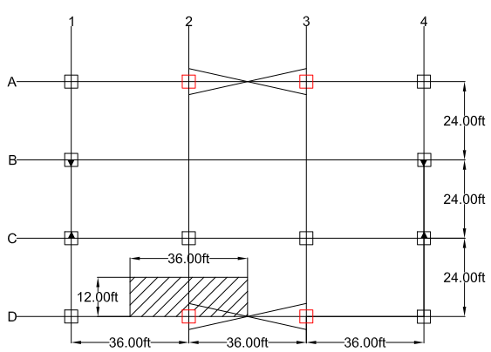
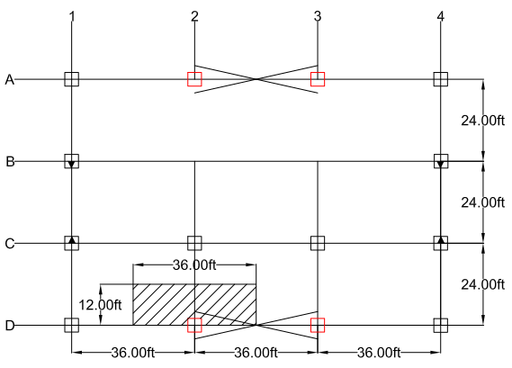

Figure 1 - |  | First Floor Plan |  |  |  | Figure 2 - | Roof Floor Plan

ASSUMPTIONS:

Cummulative loads control design
South Side controls design for symmetrical frame design

 |  | Story Shear
ALLOWED DEFLECTIONS |  | 1
hsx | 0.015
 |  |  |  |  |  | Reference: |  | Excel
 |  |  |  |  |  | Section |  | Eq/Fig/Table/Notes
1. FIRST FLOOR |  |  |  |  |  | Information

Member Ref: |  |  | 3 |  | 19 | From Summary Sheet
Frame: |  |  | Braced
Floor: |  |  | First
Member Length |  | L = | 15 | ft |  | Project Information
Distance a |  | a = | 5 | ft |  | AISC 14th |  | Table | 3-23
Support Condition |  |  | Simply
Load Condition |  |  | Uniform |  |  | AISC 14th |  | Table | 3-23
Case |  |  | 1 |  |  | AISC 14th |  | Table | 3-24
Tributary Area |  | A = | 432 | ft2 |  | Per figure 1 and 2

Loads:
Dead Load |  | DL = | 154 | psf
Live Load |  | LL = | 120 | psf
Snow Load |  | S = | 31.5 | psf
Wind Load |  | W = | -23.5 | psf
Seismic Load |  | E = |  | psf

LRFD: |  |  | 1st Floor
1. 1.4D |  |  | 215.6 | psf
2. 1.2D + 1.6L + .5(Lr or S or R) |  |  | 392.5 | psf
3. 1.2D + 1.6(Lr or S or R) + (L or .5W) |  |  | 355.2 | psf
4. 1.2D + 1.0W + L + .5(Lr or S or R) |  |  | 177.1 | psf
5. 1.2D + 1.0E + L + .2S |  |  | 311.1 | psf
6. 0.9D + 1.0W |  |  | 115.1 | psf
7. 0.9D + 1.0E |  |  | 138.6 | psf

Controlling Load: |  |  | 392.5 | psf
Control: |  | Pu | 169.6 | kip

Buckling Analysis:
 |  | K = | 1 |  |  | AISC 14th |  | Table | C-A-7.1
 |  | KL = | 15 | ft
 |  | KL/r = | 60 | ft |  | Assumed
 |  | fFcr = | 34.6 | ksi |  | AISC 14th |  | Table | 4-22
Demand Value: |  | Areqd = | 4.90 | in2

Beam Selection, W: |  |  | W8X40
 |  | ry = | 2.04 | in3
 |  | A = | 11.7 | in2
 |  | KL/r = | 88.24
 |  | fFcr = | 25.2 | ksi |  | AISC 14th |  | Table | 4-22
 |  | fPn = | 294.84 | kips

Design Check: |  | fPn>Pu? | YES

 |  | Story Shear
ALLOWED DEFLECTIONS |  | 1
hsx | 0.015
DCR | Compressive | 0.58 | OK |  |  | Demand Capacity Ratio

BRACED-FRAME EDGE COLUMNS SOUTH SIDE:

Number of Floors: |  |  | 2

Figure 1 - |  | First Floor Plan |  |  |  | Figure 2 - | Roof Floor Plan

ASSUMPTIONS:

Cummulative loads control design
South Side controls design for symmetrical frame design
 |  | Story Shear
ALLOWED DEFLECTIONS |  | 1
hsx | 0.015
 |  |  |  |  |  | Reference: |  | Excel
 |  |  |  |  |  | Section |  | Eq/Fig/Table/Notes
1. FIRST FLOOR |  |  |  |  |  | Information

Member Ref: |  |  | 1 |  | 19 | From Summary Sheet
Frame: |  |  | Braced
Floor: |  |  | First
Beam Length |  | L = | 15 | ft |  | Project Information
Distance a |  | a = | 12 | ft |  | AISC 14th |  | Table | 3-23
Support Condition |  |  | Simply
Load Condition |  |  | Uniform |  |  | AISC 14th |  | Table | 3-23
Case |  |  | 1 |  |  | AISC 14th |  | Table | 3-24
Tributary Area |  | A = | 216 | ft2 |  | Per figure 1 and 2

Loads:
Dead Load |  | DL = | 154 | psf
Live Load |  | LL = | 120 | psf
Snow Load |  | S = | 31.5 | psf
Wind Load |  | W = | -23.5 | psf
Seismic Load |  | E = |  | psf

LRFD: |  |  | 1st Floor
1. 1.4D |  |  | 215.6 | psf
2. 1.2D + 1.6L + .5(Lr or S or R) |  |  | 392.5 | psf
3. 1.2D + 1.6(Lr or S or R) + (L or .5W) |  |  | 355.2 | psf
4. 1.2D + 1.0W + L + .5(Lr or S or R) |  |  | 177.1 | psf
5. 1.2D + 1.0E + L + .2S |  |  | 311.1 | psf
6. 0.9D + 1.0W |  |  | 115.1 | psf
7. 0.9D + 1.0E |  |  | 138.6 | psf

Controlling Load: |  |  | 392.5 | psf
Control: |  | Pu | 84.8 | kip

Buckling Analysis:
 |  | K = | 1 |  |  | AISC 14th |  | Table | C-A-7.1
 |  | KL = | 15 | ft
 |  | KL/r = | 60 | ft |  | Assumed
 |  | fFcr = | 34.6 | ksi |  | AISC 14th |  | Table | 4-22
Demand Value: |  | Areqd = | 2.45 | in2

Beam Selection, W: |  |  | W8X40
 |  | ry = | 2.04 | in3
 |  | A = | 11.7 | in2
 |  | KL/r = | 88.24
 |  | fFcr = | 25.2 | ksi |  | AISC 14th |  | Table | 4-22
 |  | fPn = | 294.84 | kips

Design Check: |  | fPn>Pu? | YES

DCR | Compressive | 0.29 | OK |  |  | Demand Capacity Ratio

Roof
GIVEN:

Number of Floors: |  | 2

Figure 1 - | First Floor Plan |  |  |  | Figure 2 - | Roof Floor Plan

ASSUMPTIONS:

Beams running parallel to moment frame for both levels

 |  |  |  |  | Reference: |  | Excel
 |  |  |  |  | Section |  | Eq/Fig/Table/Notes
2. ROOF |  |  |  |  | Information

Member Ref: |  | 40 |  |  | From Summary Sheet
Frame: |  | Interior
Floor: |  | Roof
Beam Length | L = | 24 | ft |  | Project Information
Beam Spacing | s = | 0 | ft | O.C. | Enter chosen spacing for beams
Support Condition |  | Simply
Load Condition |  | Uniform |  |  | AISC 14th |  | Table | 3-23
Case |  | 1 |  |  | AISC 14th |  | Table | 3-24

Loads:
Dead Load | DL = | 26 | psf |  | Project Loads
Steel Selected | w = | 19 | psf |  | Project Loads
Total Dead Load | TDL = | 45 | psf |  | Per Beam Selection Below
Live Load | LL = | 20 | psf |  | Project Loads
Snow Load | S = | 31.5 | psf |  | Project Loads
Wind Load | W = | -23.0 | psf |  | Project Loads
Seismic Load | E = | 0.0 | psf

LRFD: |  | 1st Floor
1. 1.4D |  | 63.0 | psf
2. 1.2D + 1.6L + .5(Lr or S or R) |  | 101.8 | psf
3. 1.2D + 1.6(Lr or S or R) + (L or .5W) |  | 124.4 | psf
4. 1.2D + 1.0W + L + .5(Lr or S or R) |  | 46.8 | psf
5. 1.2D + 1.0E + L + .2S |  | 80.3 | psf
6. 0.9D + 1.0W |  | 17.5 | psf
7. 0.9D + 1.0E |  | 40.5 | psf

Controlling Load: |  | 124.4 | psf
Equivalent Linear Load: |  | 0.0 | plf |  | Given spacing chosen above

Demand Values:
Ultimate Moment, Mu = |  | 0.0 | kip.ft |  | Given uniform distribued factored load
Ultimate Shear, Vu = |  | 0.0 | kip.ft |  | Given uniform distribued factored load
 |  |  |  |  |  |  |  | 3-2
Beam Selection, W: |  | W12X19 |  |  |  |  |  | 3-2
 | fMn | 92.6 | kip.ft |  | AISC |  | Table
 | fVn | 86.0 | kip |  | AISC |  | Table
Beam Depth: | d | 12.2 | in

Design Check: | fMn>Mu? | YES
 | fVn>Vu? | YES
Depth Clearance: |  | OK

DCR | Moment | 0.00 | OK |  | Demand Capacity Ratio
 | Shear | 0.00 | OK

MOMENT FRAME

CASE 1: GIRDER CD/AB ALONG COLUMN LINES 1 AND 4

Number of Floors: |  | 2

 |  | Story Shear
ALLOWED DEFLECTIONS |  | 1
hsx | 0.015

Figure 1 - | First Floor Plan |  |  |  | Figure 2 - | Roof Floor Plan

ASSUMPTIONS:

Figure 3 - | Girder Loads Level 1 and Roof

 |  |  |  |  | Reference: |  | Excel
 |  |  |  |  | Section |  | Eq/Fig/Table/Notes
1. FIRST FLOOR |  |  |  |  | Information

Member Ref: |  | 27 |  |  | From Summary Sheet
Frame: |  | Moment
Floor: |  | Roof
Beam Length | L = | 24 | ft |  | Project Information
Distance a | a = | 8 | ft |  | AISC 14th |  | Table | 3-23
Support Condition |  | Simply
Load Condition |  | Uniform |  |  | AISC 14th |  | Table | 3-23
Case |  | 1 |  |  | AISC 14th |  | Table | 3-24
Beam Tributary Area Ab = |  | 288 | ft2 |  | Enter chosen spacing for beams

Loads:
Dead Load | DL = | 26 | psf |  | Project Loads
Steel Selected | w = | 16 | psf
Total Dead Load | TDL = | 42 | psf
Live Load | LL = | 20 | psf
Snow Load | S = | 31.5 | psf
Wind Load | W = | -23.0 | psf
Seismic Load | E = | 0.0 | psf

LRFD: |  | 1st Floor
1. 1.4D |  | 58.8 | psf
2. 1.2D + 1.6L + .5(Lr or S or R) |  | 98.2 | psf
3. 1.2D + 1.6(Lr or S or R) + (L or .5W) |  | 120.8 | psf
4. 1.2D + 1.0W + L + .5(Lr or S or R) |  | 43.2 | psf
5. 1.2D + 1.0E + L + .2S |  | 76.7 | psf
6. 0.9D + 1.0W |  | 14.8 | psf
7. 0.9D + 1.0E |  | 37.8 | psf

Controlling Load: |  | 120.8 | psf |  | Given spacing chosen above
Equivalent Linear 1/2 Load: |  | 483.2 | plf

Demand Values:
Ultimate Moment, Mu = |  | 34.8 | kip.ft |  | Given load condition specified above
Ultimate Shear, Vu = |  | 5.8 | kip |  | Given load condition specified above

Beam Selection, W: |  | W12X16
 | fMn | 75.4 | kip.ft |  | AISC |  | Table | 3-2
 | fVn | 79.2 | kip |  | AISC |  | Table | 3-2
Beam Depth: | d | 12.0 | in

Design Check: | fMn>Mu? | YES
 | fVn>Vu? | YES
Depth Clearance: |  | OK

DCR | Moment | 0.46 | OK |  | Demand Capacity Ratio
 | Shear | 0.07 | OK

CASE 2: BRACED GIRDER BC ALONG COLUMN LINES 1 AND 4

Number of Floors: |  | 2

 |  | Story Shear
ALLOWED DEFLECTIONS |  | 1
hsx | 0.015

Figure 1 - | First Floor Plan |  |  |  | Figure 2 - | Roof Floor Plan

ASSUMPTIONS:

Figure 3 - | Girder Loads Level 1 and Roof

 |  |  |  |  | Reference: |  | Excel
 |  |  |  |  | Section |  | Eq/Fig/Table/Notes
1. FIRST FLOOR |  |  |  |  | Information

Member Ref: |  | 26 |  |  | From Summary Sheet
Frame: |  | Moment
Floor: |  | Roof
Beam Length | L = | 24 | ft |  | Project Information
Distance a | a = | 8 | ft |  | AISC 14th |  | Table | 3-23
Support Condition |  | Simply
Load Condition |  | Uniform |  |  | AISC 14th |  | Table | 3-23
Case |  | 1 |  |  | AISC 14th |  | Table | 3-24
Beam Tributary Area Ab = |  | 288 | ft2 |  | Enter chosen spacing for beams

Loads:
Dead Load | DL = | 26 | psf |  | Project Loads
Steel Selected | w = | 35 | psf
Total Dead Load | TDL = | 61 | psf
Live Load | LL = | 20 | psf |  | Project Loads
Snow Load | S = | 31.5 | psf |  | Project Loads
Wind Load | W = | -23.0 | psf |  | Project Loads
Seismic Load | E = |  | psf

End Moments per Load:
Dead Load | MDL = | 35.1 | kip.ft
Live Load | MLL = | 11.5 | kip.ft
Snow Load | MSNOW = | 18.1 | kip.ft
Wind Load | MWIND = | 146.8 | kip.ft |  | From Moment Frame-Wind Calculations
Seismic Load | Mseismic = | 125.3 | kip.ft |  | From Moment Frame-Seismic Calculations

LRFD: |  | 1st Floor
1. 1.4D |  | 49.2 | kip.ft
2. 1.2D + 1.6L + .5(Lr or S or R) |  | 69.7 | kip.ft
3. 1.2D + 1.6(Lr or S or R) + (L or .5W) |  | 144.6 | kip.ft
4. 1.2D + 1.0W + L + .5(Lr or S or R) |  | 198.0 | kip.ft
5. 1.2D + 1.0E + L + .2S |  | 182.6 | kip.ft
6. 0.9D + 1.0W |  | 178.4 | kip.ft
7. 0.9D + 1.0E |  | 156.9 | kip.ft

Controlling Moment: |  | 198.0 | kip.ft
Ultimate Shear, Vu = |  | 33.0 | kip |  | Given load and support conditions above

Beam Selection, W: |  | W18X35
 | fMn | 249.0 | kip.ft |  | AISC |  | Table | 3-2
 | fVn | 159.0 | kip |  | AISC |  | Table | 3-2
Beam Depth: | d | 17.7 | in

Design Check: | fMn>Mu? | YES
 | fVn>Vu? | YES
Depth Clearance: |  | OK

DCR | Moment | 0.80 | OK |  | Demand Capacity Ratio
 | Shear | 0.21 | OK

BRACED FRAME

GIVEN:

Number of Floors: |  | 2

Figure 1 - | First Floor Plan |  |  |  | Figure 2 - | Roof Floor Plan

ASSUMPTIONS:

Figure 3 - | Girder Loads Level 1 and Roof
 |  |  |  |  | Reference: |  | Excel
 |  |  |  |  | Section |  | Eq/Fig/Table/Notes
1. FIRST FLOOR |  |  |  |  | Information

Member Ref: |  | 13 |  | 8 | From Summary Sheet
Frame: |  | Braced
Floor: |  | Roof
Beam Length | L = | 36 | ft |  | Project Information
Distance a | a = | 12 | ft |  | AISC 14th |  | Table | 3-23
Support Condition |  | Simply
Load Condition |  | 2-Point |  |  | AISC 14th |  | Table | 3-23
Case |  | 9 |  |  | AISC 14th |  | Table | 3-24
Beam Tributary Area Ab = |  | 432 | ft2 |  | Enter chosen spacing for beams

Loads:
Dead Load | DL = | 26 | psf |  | Project Loads
Steel Selected | w = | 34 | psf |  | Project Loads
Total Dead Load | TDL = | 60 | psf |  | Per Beam Selection Below
Live Load | LL = | 20 | psf
Snow Load | S = | 31.5 | psf
Wind Load | W = | -23.0 | psf
Seismic Load | E = | 0.0 | psf

LRFD: |  | 1st Floor
1. 1.4D |  | 84.0 | psf
2. 1.2D + 1.6L + .5(Lr or S or R) |  | 119.8 | psf
3. 1.2D + 1.6(Lr or S or R) + (L or .5W) |  | 142.4 | psf
4. 1.2D + 1.0W + L + .5(Lr or S or R) |  | 64.8 | psf
5. 1.2D + 1.0E + L + .2S |  | 98.3 | psf
6. 0.9D + 1.0W |  | 31.0 | psf
7. 0.9D + 1.0E |  | 54.0 | psf

Controlling Load: |  | 142.4 | psf
Equivalent Linear Load: |  | 1.14 | klf |  | Given spacing chosen above
Half Point Load: |  | 13.67 | kip

Ultimate Moment, Mu = |  | 164.0 | kip.ft |  | Given uniform distribued factored load
Ultimate Shear, Vu = |  | 13.7 | kip |  | Given uniform distribued factored load

Beam Selection, W: |  | W14X34
 | fMn | 205.0 | kip.ft |  | AISC |  | Table | 3-2
 | fVn | 120.0 | kip |  | AISC |  | Table | 3-2
Beam Depth: | d | 14.0 | in

Design Check: | fMn>Mu? | YES
 | fVn>Vu? | YES
Depth Clearance: |  | OK

DCR | Moment | 0.80 | OK |  | Demand Capacity Ratio
 | Shear | 0.11 | OK

Bracing
INTERIOR COLUMNS:

Number of Floors: |  | 2

Figure 1 - | Braced-Frame Elevation

ASSUMPTIONS:

 |  |  |  |  | Reference: | Excel
 |  |  |  |  | Section | Eq/Fig/Table/Notes
2. LOADS |  |  |  |  | Information

Column Length | L = | 15 | ft |  | Project Information
Beam Length | Lbeam = | 36 | ft
Bracing Length | Lbrace = | 39 | ft
Support Condition |  | Pinned Both Ends
Load Condition |  | Case 9 |  |  | AISC 14th | Table | 3-23
Member Condition |  | Compression

 |  |  |  |  | Reference: | Excel
 |  |  |  |  | Section | Eq/Fig/Table/Notes
2. LOADS |  |  |  |  | Information

Floor | Member | Wind Load | Seismic Load |  | Project Information
Roof | GK (C/T) | 4.00 | 0.40 | kip
Roof | FJ (C) | 14.4 | 4.27 | kip
Level 1 | BF (T) | 15.60 | 11.50 | kip
Level 1 | CG (C) | 15.60 | 11.50 | kip

Controlling Load: |  | 15.6 | kip

Buckling Analysis:
 | K = | 1 |  |  | AISC 14th | Table | C-A-7.1
 | KL = | 39 | ft
 | KL/r = | 80 | ft |  | Assumed
 | fFcr = | 28.2 | ksi |  | AISC 14th | Table | 4-22
Demand Value: | Areqd = | 0.55 | in2

Beam Selection, WT: |  | WT9X48.5
 | ry = | 2.65 | in3
 | A = | 14.3 | in2
 | KL/r = | 176.60 | in-2
 | fFcr = | 6.75 | ksi |  | AISC 14th | Table | 4-22
 | fPn = | 96.53 | kips

Design Check: | fPn>Pu? | YES

 |  | Story Shear
ALLOWED DEFLECTIONS |  | 1
hsx | 0.015
 |  | Story Shear
ALLOWED DEFLECTIONS |  | 1
hsx | 0.015
 |  | Story Shear
ALLOWED DEFLECTIONS |  | 1
hsx | 0.015
 |  | Story Shear
ALLOWED DEFLECTIONS |  | 1
hsx | 0.015
 |  | Story Shear
ALLOWED DEFLECTIONS |  | 1
hsx | 0.015

Column
BRACED-FRAME INTERIOR COLUMN SOUTH SIDE:

Number of Floors: |  | 2

Figure 1 - | First Floor Plan |  |  |  | Figure 2 - | Roof Floor Plan

ASSUMPTIONS:

Cummulative loads control design
South Side controls design for symmetrical frame design

 |  | Story Shear
ALLOWED DEFLECTIONS |  | 1
hsx | 0.015
 |  |  |  |  | Reference: |  | Excel
 |  |  |  |  | Section |  | Eq/Fig/Table/Notes
1. FIRST FLOOR |  |  |  |  | Information

Member Ref: |  | 3 |  | 19 | From Summary Sheet
Frame: |  | Braced
Floor: |  | First
Member Length | L = | 15 | ft |  | Project Information
Distance a | a = | 5 | ft |  | AISC 14th |  | Table | 3-23
Support Condition |  | Simply
Load Condition |  | Uniform |  |  | AISC 14th |  | Table | 3-23
Case |  | 1 |  |  | AISC 14th |  | Table | 3-24
Tributary Area | A = | 432 | ft2 |  | Per figure 1 and 2

Loads:
Dead Load | DL = | 128 | psf
Live Load | LL = | 100 | psf
Snow Load | S = | 31.5 | psf
Wind Load | W = | -23.5 | psf
Seismic Load | E = |  | psf

LRFD: |  | 1st Floor
1. 1.4D |  | 179.2 | psf
2. 1.2D + 1.6L + .5(Lr or S or R) |  | 329.4 | psf
3. 1.2D + 1.6(Lr or S or R) + (L or .5W) |  | 304.0 | psf
4. 1.2D + 1.0W + L + .5(Lr or S or R) |  | 145.9 | psf
5. 1.2D + 1.0E + L + .2S |  | 259.9 | psf
6. 0.9D + 1.0W |  | 91.7 | psf
7. 0.9D + 1.0E |  | 115.2 | psf

Controlling Load: |  | 329.4 | psf
Control: | Pu | 142.3 | kip

Buckling Analysis:
 | K = | 1 |  |  | AISC 14th |  | Table | C-A-7.1
 | KL = | #REF! | ft
 | KL/r = | 60 | ft |  | Assumed
 | fFcr = | 34.6 | ksi |  | AISC 14th |  | Table | 4-22
Demand Value: | Areqd = | 4.11 | in2

Beam Selection, W: |  | W8X40
 | ry = | 2.04 | in3
 | A = | 11.7 | in2
 | KL/r = | #REF!
 | fFcr = | 25.2 | ksi |  | AISC 14th |  | Table | 4-22
 | fPn = | 294.84 | kips

Design Check: | fPn>Pu? | YES

 |  | Story Shear
ALLOWED DEFLECTIONS |  | 1
hsx | 0.015
BRACED-FRAME EDGE COLUMNS SOUTH SIDE:

Number of Floors: |  | 2

Figure 1 - | First Floor Plan |  |  |  | Figure 2 - | Roof Floor Plan

ASSUMPTIONS:

Cummulative loads control design
South Side controls design for symmetrical frame design
 |  | Story Shear
ALLOWED DEFLECTIONS |  | 1
hsx | 0.015
 |  |  |  |  | Reference: |  | Excel
 |  |  |  |  | Section |  | Eq/Fig/Table/Notes
1. FIRST FLOOR |  |  |  |  | Information

Member Ref: |  | 1 |  | 19 | From Summary Sheet
Frame: |  | Braced
Floor: |  | First
Beam Length | L = | 15 | ft |  | Project Information
Distance a | a = | 12 | ft |  | AISC 14th |  | Table | 3-23
Support Condition |  | Simply
Load Condition |  | Uniform |  |  | AISC 14th |  | Table | 3-23
Case |  | 1 |  |  | AISC 14th |  | Table | 3-24
Tributary Area | A = | 216 | ft2 |  | Per figure 1 and 2

Loads:
Dead Load | DL = | 128 | psf
Live Load | LL = | 100 | psf
Snow Load | S = | 31.5 | psf
Wind Load | W = | -23.5 | psf
Seismic Load | E = |  | psf

LRFD: |  | 1st Floor
1. 1.4D |  | 179.2 | psf
2. 1.2D + 1.6L + .5(Lr or S or R) |  | 329.4 | psf
3. 1.2D + 1.6(Lr or S or R) + (L or .5W) |  | 304.0 | psf
4. 1.2D + 1.0W + L + .5(Lr or S or R) |  | 145.9 | psf
5. 1.2D + 1.0E + L + .2S |  | 259.9 | psf
6. 0.9D + 1.0W |  | 91.7 | psf
7. 0.9D + 1.0E |  | 115.2 | psf

Controlling Load: |  | 329.4 | psf
Control: | Pu | 71.1 | kip

Buckling Analysis:
 | K = | 1 |  |  | AISC 14th |  | Table | C-A-7.1
 | KL = | #REF! | ft
 | KL/r = | 60 | ft |  | Assumed
 | fFcr = | 34.6 | ksi |  | AISC 14th |  | Table | 4-22
Demand Value: | Areqd = | 2.06 | in2

Beam Selection, W: |  | W8X40
 | ry = | 2.04 | in3
 | A = | 11.7 | in2
 | KL/r = | #REF!
 | fFcr = | 25.2 | ksi |  | AISC 14th |  | Table | 4-22
 | fPn = | 294.84 | kips

Design Check: | fPn>Pu? | YES

MOMENT-FRAME EDGE COLUMNS SOUTH SIDE:

Number of Floors: |  | 2

Figure 1 - | First Floor Plan |  |  |  | Figure 2 - | Roof Floor Plan

ASSUMPTIONS:

Cummulative loads control design
South Side controls design for symmetrical frame design

 |  | Story Shear
ALLOWED DEFLECTIONS |  | 1
hsx | 0.015
 |  |  |  |  | Reference: |  | Excel
 |  |  |  |  | Section |  | Eq/Fig/Table/Notes
1. FIRST FLOOR |  |  |  |  | Information

Member Ref: |  | 7 |  | 19 | From Summary Sheet
Frame: |  | Moment
Floor: |  | First
Beam Length | L = | 15 | ft |  | Project Information
Distance a | a = | 0 | ft |  | AISC 14th |  | Table | 3-23
Support Condition |  | Simply
Load Condition |  | Uniform |  |  | AISC 14th |  | Table | 3-23
Case |  | 1 |  |  | AISC 14th |  | Table | 3-24
Tributary Area | A = | 216 | ft2 |  | Per figure 1 and 2

Loads:
Dead Load | DL = | 26.0 | psf
Live Load | LL = | 20.0 | psf
Snow Load | S = | 31.5 | psf
Wind Load | W = | -23.5 | psf
Seismic Load | E = |  | psf

LRFD: |  | 1st Floor
1. 1.4D |  | 36.4 | psf
2. 1.2D + 1.6L + .5(Lr or S or R) |  | 79.0 | psf
3. 1.2D + 1.6(Lr or S or R) + (L or .5W) |  | 101.6 | psf
4. 1.2D + 1.0W + L + .5(Lr or S or R) |  | 23.5 | psf
5. 1.2D + 1.0E + L + .2S |  | 57.5 | psf
6. 0.9D + 1.0W |  | -0.1 | psf
7. 0.9D + 1.0E |  | 23.4 | psf

Controlling Load: |  | 101.6 | psf
Control: | Pu | 21.9 | kip

Buckling Analysis:
 | K = | 1 |  |  | AISC 14th |  | Table | C-A-7.1
 | KL = | #REF! | ft
 | KL/r = | 60 | ft |  | Assumed
 | fFcr = | 34.6 | ksi |  | AISC 14th |  | Table | 4-22
Demand Value: | Areqd = | 0.63 | in2

Beam Selection, W: |  | W8X40
 | ry = | 2.04 | in3
 | A = | 11.7 | in2
 | KL/r = | #REF!
 | fFcr = | 25.2 | ksi |  | AISC 14th |  | Table | 4-22
 | fPn = | 294.84 | kips

Design Check: | fPn>Pu? | YES

MOMENT-FRAME INTERIOR COLUMNS WEST/EAST SIDE:

Number of Floors: |  | 2

Figure 1 - | First Floor Plan |  |  |  | Figure 2 - | Roof Floor Plan

ASSUMPTIONS:

Cummulative loads control design
South Side controls design for symmetrical frame design

 |  | Story Shear
ALLOWED DEFLECTIONS |  | 1
hsx | 0.015
 |  |  |  |  | Reference: |  | Excel
 |  |  |  |  | Section |  | Eq/Fig/Table/Notes
1. FIRST FLOOR |  |  |  |  | Information

Member Ref: |  | 23 |  | 19 | From Summary Sheet
Frame: |  | Moment
Floor: |  | First
Beam Length | L = | 15 | ft |  | Project Information
Distance a | a = | 0 | ft |  | AISC 14th |  | Table | 3-23
Support Condition |  | Simply
Load Condition |  | Uniform |  |  | AISC 14th |  | Table | 3-23
Case |  | 1 |  |  | AISC 14th |  | Table | 3-24
Tributary Area | A = | 432 | ft2 |  | Per figure 1 and 2

Loads:
Dead Load | DL = | 128 | psf
Live Load | LL = | 100 | psf
Snow Load | S = | 31.5 | psf
Wind Load | W = | -23.5 | psf
Seismic Load | E = |  | psf

LRFD: |  | 1st Floor
1. 1.4D |  | 179.2 | psf
2. 1.2D + 1.6L + .5(Lr or S or R) |  | 329.4 | psf
3. 1.2D + 1.6(Lr or S or R) + (L or .5W) |  | 304.0 | psf
4. 1.2D + 1.0W + L + .5(Lr or S or R) |  | 145.9 | psf
5. 1.2D + 1.0E + L + .2S |  | 259.9 | psf
6. 0.9D + 1.0W |  | 91.7 | psf
7. 0.9D + 1.0E |  | 115.2 | psf

Controlling Load: |  | 329.4 | psf
Control: | Pu | 142.3 | kip

Buckling Analysis:
 | K = | 1 |  |  | AISC 14th |  | Table | C-A-7.1
 | KL = | #REF! | ft
 | KL/r = | 60 | ft |  | Assumed
 | fFcr = | 34.6 | ksi |  | AISC 14th |  | Table | 4-22
Demand Value: | Areqd = | 4.11 | in2

Beam Selection, W: |  | W8X40
 | ry = | 2.04 | in3
 | A = | 11.7 | in2
 | KL/r = | #REF!
 | fFcr = | 25.2 | ksi |  | AISC 14th |  | Table | 4-22
 | fPn = | 294.84 | kips

Design Check: | fPn>Pu? | YES

Beams
GIVEN:

Number of Floors: |  | 2

Figure 1 - | First Floor Plan |  |  |  | Figure 2 - | Roof Floor Plan

ASSUMPTIONS:

Beams running parallel to moment frame for both levels

 |  |  |  |  | Reference: |  | Excel
 |  |  |  |  | Section |  | Eq/Fig/Table/Notes
1. FIRST FLOOR |  |  |  |  | Information

Member Ref: |  | 36 |  |  | From Summary Sheet
Frame: |  | Interior
Floor: |  | First
Beam Length | L = | 24 | ft |  | Project Information
Beam Spacing | s = | 8 | ft | O.C. | Enter chosen spacing for beams
Support Condition |  | Simply
Load Condition |  | Uniform |  |  | AISC 14th |  | Table | 3-23
Case |  | 1 |  |  | AISC 14th |  | Table | 3-24

Loads:
Dead Load | DL = | 128 | psf |  | Project Loads
Steel Selected | w = | 35 | psf |  | Project Loads
Total Dead Load | TDL = | 163 | psf |  | Per Beam Selection Below
Live Load | LL = | 100 | psf
Snow Load | S = | 0.0 | psf
Wind Load | W = | 0.0 | psf
Seismic Load | E = | 0.0 | psf

LRFD: |  | 1st Floor
1. 1.4D |  | 228.2 | psf
2. 1.2D + 1.6L + .5(Lr or S or R) |  | 355.6 | psf
3. 1.2D + 1.6(Lr or S or R) + (L or .5W) |  | 295.6 | psf
4. 1.2D + 1.0W + L + .5(Lr or S or R) |  | 195.6 | psf
5. 1.2D + 1.0E + L + .2S |  | 295.6 | psf
6. 0.9D + 1.0W |  | 146.7 | psf
7. 0.9D + 1.0E |  | 146.7 | psf

Controlling Load: |  | 355.6 | psf
Equivalent Linear Load: |  | 2844.8 | plf |  | Given spacing chosen above

Demand Values:
Ultimate Moment, Mu = |  | 204.8 | kip.ft |  | Given load and support conditions above
Ultimate Shear, Vu = |  | 34.1 | kip |  | Given load and support conditions above

Beam Selection, W: |  | W18X35
 | fMn | 249.0 | kip.ft |  | AISC |  | Table | 3-2
 | fVn | 159.0 | kip |  | AISC |  | Table | 3-2
Beam Depth: | d | 17.7 | in

Design Check: | fMn>Mu? | YES
 | fVn>Vu? | YES
Depth Clearance: |  | OK

DCR | Moment | 0.82 | OK |  | Demand Capacity Ratio
 | Shear | 0.21 | OK

2. ROOF |  |  |  |  | Information

Member Ref: |  | 40 |  |  | From Summary Sheet
Frame: |  | Interior
Floor: |  | First
Beam Length | L = | 24 | ft |  | Project Information
Beam Spacing | s = | 8 | ft | O.C. | Enter chosen spacing for beams
Support Condition |  | Simply
Load Condition |  | Uniform |  |  | AISC 14th |  | Table | 3-23
Case |  | 1 |  |  | AISC 14th |  | Table | 3-24

Loads:
Dead Load | DL = | 26.0 | psf |  | Project Loads
Steel Selected | w = | 19 | psf |  | Project Loads
Total Dead Load | TDL = | 45 | psf |  | Per Beam Selection Below
Live Load | LL = | 20.0 | psf |  | Project Loads
Snow Load | S = | 31.5 | psf |  | Project Loads
Wind Load | W = | -23.5 | psf |  | Project Loads
Seismic Load | E = | 0.0 | psf

LRFD: |  | 1st Floor
1. 1.4D |  | 63.0 | psf
2. 1.2D + 1.6L + .5(Lr or S or R) |  | 101.8 | psf
3. 1.2D + 1.6(Lr or S or R) + (L or .5W) |  | 124.4 | psf
4. 1.2D + 1.0W + L + .5(Lr or S or R) |  | 46.3 | psf
5. 1.2D + 1.0E + L + .2S |  | 80.3 | psf
6. 0.9D + 1.0W |  | 17.0 | psf
7. 0.9D + 1.0E |  | 40.5 | psf

Controlling Load: |  | 124.4 | psf
Equivalent Linear Load: |  | 995.2 | plf |  | Given spacing chosen above

Demand Values:
Ultimate Moment, Mu = |  | 71.7 | kip.ft |  | Given uniform distribued factored load
Ultimate Shear, Vu = |  | 11.9 | kip.ft |  | Given uniform distribued factored load
 |  |  |  |  |  |  |  | 3-2
Beam Selection, W: |  | W12X19 |  |  |  |  |  | 3-2
 | fMn | 92.6 | kip.ft |  | AISC |  | Table
 | fVn | 86.0 | kip |  | AISC |  | Table
Beam Depth: | d | 12.2 | in

Design Check: | fMn>Mu? | YES
 | fVn>Vu? | YES
Depth Clearance: |  | OK

DCR | Moment | 0.77 | OK |  | Demand Capacity Ratio
 | Shear | 0.14 | OK

 |  | Story Shear
ALLOWED DEFLECTIONS |  | 1
hsx | 0.015

Girders
GIRDERS PARALLEL TO MOMENT FRAME

Number of Floors: |  | 2
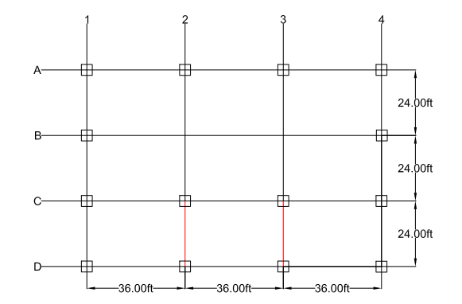
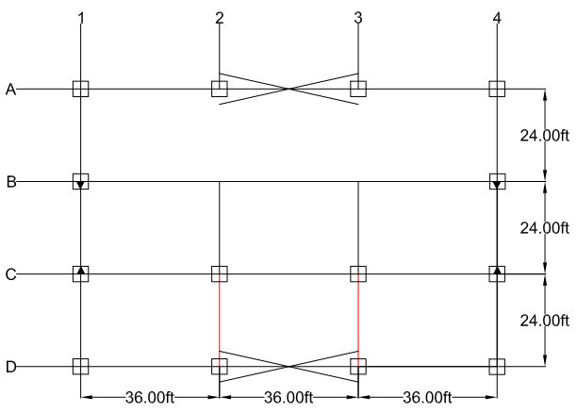

Figure 1 - | First Floor Plan |  |  | Figure 2 - | Roof Floor Plan

ASSUMPTIONS:
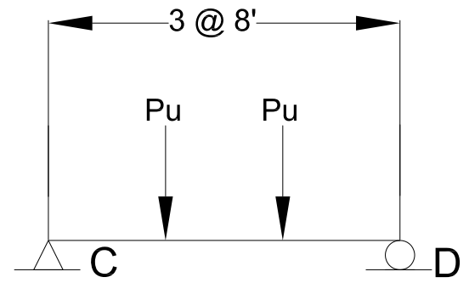

Figure 3 - | Loads on Girders C1-C2 (First and Second Floor) and B1-B2 (Second Floor) and Similar Bays

 |  |  |  | Reference: |  | Excel
 |  |  |  | Section |  | Eq/Fig/Table/Notes
1. FIRST FLOOR |  |  |  | Information

Member Ref: |  | 2 |  | From Summary Sheet
Frame: |  | Braced
Floor: |  | Roof
Beam Length | L = | 15 | ft | Project Information
Distance a | a = | 1.6666666667 | ft | AISC 14th |  | Table | 3-23
Support Condition |  | Simply
Load Condition |  | Uniform |  | AISC 14th |  | Table | 3-23
Case |  | 1 |  | AISC 14th |  | Table | 3-24
Beam Tributary Area Ab = |  | 192 | ft2

Loads:
Dead Load | DL = | 128 | psf | Per Beam Selection Below
Live Load | LL = | 100 | psf
Snow Load | S = | 0.0 | psf
Wind Load | W = | 0.0 | psf
Seismic Load | E = | 0.0 | psf

LRFD: |  | 1st Floor
1. 1.4D |  | 179.2 | psf
2. 1.2D + 1.6L + .5(Lr or S or R) |  | 313.6 | psf
3. 1.2D + 1.6(Lr or S or R) + (L or .5W) |  | 253.6 | psf
4. 1.2D + 1.0W + L + .5(Lr or S or R) |  | 153.6 | psf
5. 1.2D + 1.0E + L + .2S |  | 253.6 | psf
6. 0.9D + 1.0W |  | 115.2 | psf
7. 0.9D + 1.0E |  | 115.2 | psf

Controlling Load: |  | 313.6 | psf
Equivalent Point Load: |  | 60.2 | kip | Given spacing chosen above

Demand Values:
Ultimate Moment, Mu = |  | 501.8 | kip.ft | Given load and support conditions above
Ultimate Shear, Vu = |  | #VALUE! | kip | Given load and support conditions above

Beam Selection, W: |  | W44X335
 | fMn | 6080.0 | kip.ft | AISC |  | Table | 3-2
 | fVn | 1360.0 | kip | AISC |  | Table | 3-2
Beam Depth: | d | 44.0 | in

Design Check: | fMn>Mu? | YES
 | fVn>Vu? | #VALUE!
Depth Clearance: |  | OK
Note: |  | Will need to splice

DCR | Moment | 0.08 | OK | Demand Capacity Ratio
 | Shear | #VALUE! | #VALUE!

2. FIRST FLOOR (2) |  |  |  | Information

Member Ref: |  | 3 |  | From Summary Sheet
Frame: |  | Braced
Floor: |  | First
Beam Length | L = | 15 | ft | Project Information
Distance a | a = | 5 | ft | AISC 14th |  | Table | 3-23
Support Condition |  | Simply
Load Condition |  | Uniform |  | AISC 14th |  | Table | 3-23
Case |  | 1 |  | AISC 14th |  | Table | 3-24
Beam Tributary Area Ab = |  | 192 | ft2

Loads:
Dead Load | DL = | 128 | psf
Live Load | LL = | 100 | psf
Snow Load | S = | 0.0 | psf
Wind Load | W = | 0.0 | psf
Seismic Load | E = | 0.0 | psf

LRFD: |  | 1st Floor
1. 1.4D |  | 179.2 | psf
2. 1.2D + 1.6L + .5(Lr or S or R) |  | 313.6 | psf
3. 1.2D + 1.6(Lr or S or R) + (L or .5W) |  | 253.6 | psf
4. 1.2D + 1.0W + L + .5(Lr or S or R) |  | 153.6 | psf
5. 1.2D + 1.0E + L + .2S |  | 253.6 | psf
6. 0.9D + 1.0W |  | 115.2 | psf
7. 0.9D + 1.0E |  | 115.2 | psf

Controlling Load: |  | 313.6 | psf
Equivalent Point Load: |  | 60.2 | kip | Given spacing chosen above

Demand Values:
Ultimate Moment, Mu = |  | 301.1 | kip.ft | Given load and support conditions above
Ultimate Shear, Vu = |  | 60.2 | kip | Given load and support conditions above

Beam Selection, W: |  | W33X118
 | fMn | 1560.0 | kip.ft | AISC |  | Table | 3-2
 | fVn | 489.0 | kip | AISC |  | Table | 3-2
Beam Depth: | d | 32.9 | in

Design Check: | fMn>Mu? | YES
 | fVn>Vu? | YES
Depth Clearance: |  | OK

DCR | Moment | 0.19 | OK | Demand Capacity Ratio
 | Shear | 0.12 | OK

2. ROOF |  |  |  | Information

Member Ref: |  | 15 |  | From Summary Sheet
Frame: |  | Braced
Floor: |  | Roof
Beam Length | L = | 39 | ft | Project Information
Distance a | a = | 0 | ft | AISC 14th |  | Table | 3-23
Support Condition |  | 0
Load Condition |  | 0 |  | AISC 14th |  | Table | 3-23
Case |  | 0 |  | AISC 14th |  | Table | 3-24
Beam Tributary Area Ab = |  | 192 | ft2

Loads:
Dead Load | DL = | 26.0 | psf
Steel Selected | w = | 84 | psf | Project Loads
Total Dead Load | TDL = | 110 | psf | Per Beam Selection Below
Live Load | LL = | 20.0 | psf | Project Loads
Snow Load | S = | 31.5 | psf | Project Loads
Wind Load | W = | -23.5 | psf | Project Loads
Seismic Load | E = | 0.0 | psf

LRFD: |  | 1st Floor
1. 1.4D |  | 154.0 | psf
2. 1.2D + 1.6L + .5(Lr or S or R) |  | 179.8 | psf
3. 1.2D + 1.6(Lr or S or R) + (L or .5W) |  | 202.4 | psf
4. 1.2D + 1.0W + L + .5(Lr or S or R) |  | 124.3 | psf
5. 1.2D + 1.0E + L + .2S |  | 158.3 | psf
6. 0.9D + 1.0W |  | 75.5 | psf
7. 0.9D + 1.0E |  | 99.0 | psf

Controlling Load: |  | 202.4 | psf
Equivalent Point Load: |  | 38.9 | kip | Given spacing chosen above

Demand Values:
Ultimate Moment, Mu = |  | 0.0 | kip.ft | Given load and support conditions above
Ultimate Shear, Vu = |  | 38.9 | kip | Given load and support conditions above

Beam Selection, W: |  | W27X84
 | fMn | 915.0 | kip.ft | AISC |  | Table | 3-2
 | fVn | 368.0 | kip | AISC |  | Table | 3-2
Beam Depth: | d | 26.7 | in

 |  | Story Shear
ALLOWED DEFLECTIONS |  | 1
hsx | 0.015
Design Check: | fMn>Mu? | YES
 | fVn>Vu? | YES
Depth Clearance: |  | OK

DCR | Moment | 0.00 | OK
 | Shear | 0.11 | OK

Moment-Frame
CASE 1: GIRDER CD/AB ALONG COLUMN LINES 1 AND 4

Number of Floors: |  | 2

Figure 1 - | First Floor Plan |  |  |  | Figure 2 - | Roof Floor Plan

ASSUMPTIONS:

Figure 3 - | Girder Loads Level 1 and Roof

 |  |  |  |  | Reference: |  | Excel
 |  |  |  |  | Section |  | Eq/Fig/Table/Notes
1. FIRST FLOOR |  |  |  |  | Information

Member Ref: |  | 30 |  |  | From Summary Sheet
Frame: |  | Moment
Floor: |  | First
Beam Length | L = | 24 | ft |  | Project Information
Distance a | a = | 8 | ft |  | AISC 14th |  | Table | 3-23
Support Condition |  | Simply
Load Condition |  | Uniform |  |  | AISC 14th |  | Table | 3-23
Case |  | 1 |  |  | AISC 14th |  | Table | 3-24
Beam Tributary Area Ab = |  | 288 | ft2 |  | Enter chosen spacing for beams

Loads:
Dead Load | DL = | 128 | psf |  | Project Loads
Live Load | LL = | 100 | psf
Snow Load | S = | 0.0 | psf
Wind Load | W = | 0.0 | psf
Seismic Load | E = | 0.0 | psf

LRFD: |  | 1st Floor
1. 1.4D |  | 179.2 | psf
2. 1.2D + 1.6L + .5(Lr or S or R) |  | 313.6 | psf
3. 1.2D + 1.6(Lr or S or R) + (L or .5W) |  | 253.6 | psf
4. 1.2D + 1.0W + L + .5(Lr or S or R) |  | 153.6 | psf
5. 1.2D + 1.0E + L + .2S |  | 253.6 | psf
6. 0.9D + 1.0W |  | 115.2 | psf
7. 0.9D + 1.0E |  | 115.2 | psf

Controlling Load: |  | 313.6 | psf
Equivalent Linear Load: |  | 3763.2 | plf |  | Given spacing chosen above

Demand Values:
Ultimate Moment, Mu = |  | 271.0 | kip.ft |  | Given load condition specified above
Ultimate Shear, Vu = |  | 45.2 | kip |  | Given load condition specified above

Beam Selection, W: |  | W24X68
 | fMn | 20.1 | kip.ft |  | AISC |  | Table | 3-2
 | fVn | 0.0 | kip |  | AISC |  | Table | 3-2
Beam Depth: | d | 23.7 | in

Design Check: | fMn>Mu? | NO
 | fVn>Vu? | NO
Depth Clearance: |  | OK

DCR | Moment | 13.48 | N.G. |  | Demand Capacity Ratio
 | Shear | #DIV/0! | #DIV/0!

1. FIRST FLOOR |  |  |  |  | Information

Member Ref: |  | 29 |  |  | From Summary Sheet
Frame: |  | Moment
Floor: |  | First
Beam Length | L = | 24 | ft |  | Project Information
Distance a | a = | 8 | ft |  | AISC 14th |  | Table | 3-23
Support Condition |  | Simply
Load Condition |  | Uniform |  |  | AISC 14th |  | Table | 3-23
Case |  | 1 |  |  | AISC 14th |  | Table | 3-24
Beam Tributary Area Ab = |  | 288 | ft2 |  | Enter chosen spacing for beams

Loads:
Dead Load | DL = | 128 | psf |  | Project Loads
Live Load | LL = | 100 | psf
Snow Load | S = | 0.0 | psf
Wind Load | W = | 0.0 | psf
Seismic Load | E = | 0.0 | psf

LRFD: |  | 1st Floor
1. 1.4D |  | 179.2 | psf
2. 1.2D + 1.6L + .5(Lr or S or R) |  | 313.6 | psf
3. 1.2D + 1.6(Lr or S or R) + (L or .5W) |  | 253.6 | psf
4. 1.2D + 1.0W + L + .5(Lr or S or R) |  | 153.6 | psf
5. 1.2D + 1.0E + L + .2S |  | 253.6 | psf
6. 0.9D + 1.0W |  | 115.2 | psf
7. 0.9D + 1.0E |  | 115.2 | psf

Controlling Load: |  | 313.6 | psf
Equivalent Linear Load: |  | 3763.2 | plf |  | Given spacing chosen above

Demand Values:
Ultimate Moment, Mu = |  | 271.0 | kip.ft |  | Given load condition specified above
Ultimate Shear, Vu = |  | 45.2 | kip |  | Given load condition specified above

Beam Selection, W: |  | W24X68
 | fMn | 20.1 | kip.ft |  | AISC |  | Table | 3-2
 | fVn | 0.0 | kip |  | AISC |  | Table | 3-2
Beam Depth: | d | 23.7 | in

Design Check: | fMn>Mu? | NO
 | fVn>Vu? | NO
Depth Clearance: |  | OK

DCR | Moment | 13.48 | N.G. |  | Demand Capacity Ratio
 | Shear | #DIV/0! | #DIV/0!

1. FIRST FLOOR |  |  |  |  | Information

Member Ref: |  | 6 |  |  | From Summary Sheet
Frame: |  | Braced
Floor: |  | Roof
Beam Length | L = | 15 | ft |  | Project Information
Distance a | a = | 0 | ft |  | AISC 14th |  | Table | 3-23
Support Condition |  | Simply
Load Condition |  | Uniform |  |  | AISC 14th |  | Table | 3-23
Case |  | 1 |  |  | AISC 14th |  | Table | 3-24
Beam Tributary Area Ab = |  | 180 | ft2 |  | Enter chosen spacing for beams

Loads:
Dead Load | DL = | 128 | psf |  | Project Loads
Live Load | LL = | 100 | psf
Snow Load | S = | 0.0 | psf
Wind Load | W = | 0.0 | psf
Seismic Load | E = | 0.0 | psf

LRFD: |  | 1st Floor
1. 1.4D |  | 179.2 | psf
2. 1.2D + 1.6L + .5(Lr or S or R) |  | 313.6 | psf
3. 1.2D + 1.6(Lr or S or R) + (L or .5W) |  | 253.6 | psf
4. 1.2D + 1.0W + L + .5(Lr or S or R) |  | 153.6 | psf
5. 1.2D + 1.0E + L + .2S |  | 253.6 | psf
6. 0.9D + 1.0W |  | 115.2 | psf
7. 0.9D + 1.0E |  | 115.2 | psf

Controlling Load: |  | 313.6 | psf
Equivalent Linear Load: |  | 3763.2 | plf |  | Given spacing chosen above

Demand Values:
Ultimate Moment, Mu = |  | 105.8 | kip.ft |  | Given load condition specified above
Ultimate Shear, Vu = |  | 28.2 | kip |  | Given load condition specified above

Beam Selection, W: |  | W24X68
 | fMn | 20.1 | kip.ft |  | AISC |  | Table | 3-2
 | fVn | 0.0 | kip |  | AISC |  | Table | 3-2
Beam Depth: | d | 23.7 | in

Design Check: | fMn>Mu? | NO
 | fVn>Vu? | NO
Depth Clearance: |  | OK

DCR | Moment | 5.27 | N.G. |  | Demand Capacity Ratio
 | Shear | #DIV/0! | #DIV/0!

2. ROOF |  |  |  |  | Information

Member Ref: |  | 27 |  |  | From Summary Sheet
Frame: |  | Moment
Floor: |  | Roof
Beam Length | L = | 24 | ft |  | Project Information
Distance a | a = | 8 | ft |  | AISC 14th |  | Table | 3-23
Support Condition |  | Simply
Load Condition |  | Uniform |  |  | AISC 14th |  | Table | 3-23
Case |  | 1 |  |  | AISC 14th |  | Table | 3-24
Beam Tributary Area Ab = |  | 288 | ft2 |  | Enter chosen spacing for beams

Gravity Loads:
Dead Load | DL = | 26.0 | psf | Pu=1/2 | Project Loads
Live Load | LL = | 20.0 | psf |  | Project Loads
Snow Load | S = | 31.5 | psf |  | Project Loads
Wind Load | W = | -23.5 | psf |  | Project Loads
Seismic Load | E = | 0.0 | psf

LRFD: |  | 1st Floor
1. 1.4D |  | 36.4 | psf
2. 1.2D + 1.6L + .5(Lr or S or R) |  | 79.0 | psf
3. 1.2D + 1.6(Lr or S or R) + (L or .5W) |  | 101.6 | psf
4. 1.2D + 1.0W + L + .5(Lr or S or R) |  | 23.5 | psf
5. 1.2D + 1.0E + L + .2S |  | 57.5 | psf
6. 0.9D + 1.0W |  | -0.1 | psf
7. 0.9D + 1.0E |  | 23.4 | psf

Controlling Load: |  | 101.6 | psf
Equivalent Linear Load: |  | 1219.2 | plf |  | Given spacing chosen above

Demand Values:
Ultimate Moment, Mu = |  | 87.8 | kip.ft |  | Given load condition specified above
Ultimate Shear, Vu = |  | 14.6 | kip |  | Given load condition specified above

Beam Selection, W: |  | W18X40
 | fMn | 294.0 | kip.ft |  | AISC |  | Table | 3-2
 | fVn | 169.0 | kip |  | AISC |  | Table | 3-2
Beam Depth: | d | 17.9 | in

Design Check: | fMn>Mu? | YES
 | fVn>Vu? | YES
Depth Clearance: |  | OK

DCR | Moment | 0.30 | OK |  | Demand Capacity Ratio
 | Shear | 0.09 | OK

Lateral Loads:
Dead Load | DL = | 0.0 | kip
Live Load | LL = | 0.0 | kip
Snow Load | S = | 0.0 | kip
Wind Load | Pwind = | 9.6 | kip
Seismic Load | Pseismic = | 3.2 | kip

LRFD: |  | 1st Floor
1. 1.4D |  | 0.0 | kip.ft
2. 1.2D + 1.6L + .5(Lr or S or R) |  | 0.0 | kip.ft
3. 1.2D + 1.6(Lr or S or R) + (L or .5W) |  | 4.8 | kip.ft
4. 1.2D + 1.0W + L + .5(Lr or S or R) |  | 9.6 | kip.ft
5. 1.2D + 1.0E + L + .2S |  | 3.2 | kip.ft
6. 0.9D + 1.0W |  | 9.6 | kip.ft
7. 0.9D + 1.0E |  | 9.6 | kip.ft

Controlling Load: |  | 9.6 | kip.ft

Member Axial Load Capacity:
Effective Length | KL = | #REF! |  |  | Insert K option
Radius of Gyration | ry = | 1.27 | in3 |  |  |  | Table | 1-1
 | KL/r = | #REF!
Area | A = | 11.8 | in2 |  |  |  | Table | 1-1
Critical Load | fFcr = | 43.8 | ksi |  |  |  | Table | 4-22
Capacity: | fPn = | 516.84 | kips

Design Check: | fPn>Pu? | YES

2. ROOF |  |  |  |  | Information

Member Ref: |  | 17 |  |  | From Summary Sheet
Frame: |  | Braced
Floor: |  | First
Beam Length | L = | 39 | ft |  | Project Information
Distance a | a = | 0 | ft |  | AISC 14th |  | Table | 3-23
Support Condition |  | 0
Load Condition |  | 0 |  |  | AISC 14th |  | Table | 3-23
Case |  | 0 |  |  | AISC 14th |  | Table | 3-24
Beam Tributary Area Ab = |  | 468 | ft2 |  | Enter chosen spacing for beams

Gravity Loads:
Dead Load | DL = | 26.0 | psf | Pu=1/2 | Project Loads
Live Load | LL = | 20.0 | psf |  | Project Loads
Snow Load | S = | 31.5 | psf |  | Project Loads
Wind Load | W = | -23.5 | psf |  | Project Loads
Seismic Load | E = | 0.0 | psf

LRFD: |  | 1st Floor
1. 1.4D |  | 36.4 | psf
2. 1.2D + 1.6L + .5(Lr or S or R) |  | 79.0 | psf
3. 1.2D + 1.6(Lr or S or R) + (L or .5W) |  | 101.6 | psf
4. 1.2D + 1.0W + L + .5(Lr or S or R) |  | 23.5 | psf
5. 1.2D + 1.0E + L + .2S |  | 57.5 | psf
6. 0.9D + 1.0W |  | -0.1 | psf
7. 0.9D + 1.0E |  | 23.4 | psf

Controlling Load: |  | 101.6 | psf
Equivalent Linear Load: |  | 1219.2 | plf |  | Given spacing chosen above

Demand Values:
Ultimate Moment, Mu = |  | 231.8 | kip.ft |  | Given load condition specified above
Ultimate Shear, Vu = |  | 23.8 | kip |  | Given load condition specified above

Beam Selection, W: |  | W18X40
 | fMn | 294.0 | kip.ft |  | AISC |  | Table | 3-2
 | fVn | 169.0 | kip |  | AISC |  | Table | 3-2
Beam Depth: | d | 17.9 | in

Design Check: | fMn>Mu? | YES
 | fVn>Vu? | YES
Depth Clearance: |  | OK

DCR | Moment | 0.79 | OK |  | Demand Capacity Ratio
 | Shear | 0.14 | OK

Lateral Loads:
Dead Load | DL = | 0.0 | kip
Live Load | LL = | 0.0 | kip
Snow Load | S = | 0.0 | kip
Wind Load | Pwind = | 9.6 | kip
Seismic Load | Pseismic = | 3.2 | kip

LRFD: |  | 1st Floor
1. 1.4D |  | 0.0 | kip.ft
2. 1.2D + 1.6L + .5(Lr or S or R) |  | 0.0 | kip.ft
3. 1.2D + 1.6(Lr or S or R) + (L or .5W) |  | 4.8 | kip.ft
4. 1.2D + 1.0W + L + .5(Lr or S or R) |  | 9.6 | kip.ft
5. 1.2D + 1.0E + L + .2S |  | 3.2 | kip.ft
6. 0.9D + 1.0W |  | 9.6 | kip.ft
7. 0.9D + 1.0E |  | 9.6 | kip.ft

Controlling Load: |  | 9.6 | kip.ft

Member Axial Load Capacity:
Effective Length | KL = | #REF! |  |  | Insert K option
Radius of Gyration | ry = | 1.27 | in3 |  |  |  | Table | 1-1
 | KL/r = | #REF!
Area | A = | 11.8 | in2 |  |  |  | Table | 1-1
Critical Load | fFcr = | 43.8 | ksi |  |  |  | Table | 4-22
Capacity: | fPn = | 516.84 | kips

Design Check: | fPn>Pu? | YES

CASE 2: BRACED GIRDER BC ALONG COLUMN LINES 1 AND 4

Number of Floors: |  | 2

 |  | Story Shear
ALLOWED DEFLECTIONS |  | 1
hsx | 0.015

Figure 1 - | First Floor Plan |  |  |  | Figure 2 - | Roof Floor Plan

ASSUMPTIONS:

Figure 3 - | Girder Loads Level 1 and Roof

 |  |  |  |  | Reference: |  | Excel
 |  |  |  |  | Section |  | Eq/Fig/Table/Notes
1. FIRST FLOOR |  |  |  |  | Information

Member Ref: |  | 29 |  |  | From Summary Sheet
Frame: |  | Moment
Floor: |  | First
Beam Length | L = | 24 | ft |  | Project Information
Distance a | a = | 8 | ft |  | AISC 14th |  | Table | 3-23
Support Condition |  | Simply
Load Condition |  | Uniform |  |  | AISC 14th |  | Table | 3-23
Case |  | 1 |  |  | AISC 14th |  | Table | 3-24
Beam Tributary Area Ab = |  | 288 | ft2 |  | Enter chosen spacing for beams

Beam Length | L = | 24 | ft |  | Project Information
Beam Tributary Area Ab = |  | 192 | ft2 |  | Enter chosen spacing for beams
Beam Spacing s = |  | 8 | ft
Support Condition |  | Fixed
Load Condition |  | Case 15 |  |  | AISC 14th |  | Table | 3-23

Loads:
Dead Load | DL = | 128 | psf |  | Project Loads
Live Load | LL = | 100 | psf |  | Project Loads
Snow Load | S = | 31.5 | psf |  | Project Loads
Wind Load | W = | -23.5 | psf |  | Project Loads
Seismic Load | E = |  | psf

Equivalent linear load: |  |  |  |  | After determining each individual point load
Dead Load | DL = | 1.0 | klf
Live Load | LL = | 0.8 | klf
Snow Load | S = | 0.3 | klf
Wind Load | W = |  | klf
Seismic Load | E = |  | klf

End Moments per Load:
Dead Load | MDL = | 49.2 | kip.ft
Live Load | MLL = | 38.4 | kip.ft
Snow Load | MSNOW = | 12.1 | kip.ft
Wind Load | MWIND = | 144.2 | kip.ft |  | From Moment Frame-Wind Calculations
Seismic Load | Mseismic = | 71.6 | kip.ft |  | From Moment Frame-Seismic Calculations

LRFD: |  | 1st Floor
1. 1.4D |  | 68.8 | kip.ft
2. 1.2D + 1.6L + .5(Lr or S or R) |  | 126.5 | kip.ft
3. 1.2D + 1.6(Lr or S or R) + (L or .5W) |  | 150.4 | kip.ft
4. 1.2D + 1.0W + L + .5(Lr or S or R) |  | 209.2 | kip.ft
5. 1.2D + 1.0E + L + .2S |  | 171.4 | kip.ft
6. 0.9D + 1.0W |  | 188.4 | kip.ft
7. 0.9D + 1.0E |  | 115.8 | kip.ft

Controlling Moment: |  | 209.2 | kip.ft

Beam Selection, W: |  | W18X35
 | fMn | 249.0 | kip.ft |  | AISC |  | Table | 3-2
 | fVn | 159.0 | kip |  | AISC |  | Table | 3-2
Beam Depth: | d | 17.7 | in

Design Check: | fMn>Mu? | YES
 | fVn>Vu? | NO
Depth Clearance: |  | OK

DCR | Moment | 0.00 | OK |  | Demand Capacity Ratio
 | Shear | 1.32 | N.G.

2. ROOF |  |  |  |  | Information

Member Ref: |  | 26 |  |  | From Summary Sheet
Frame: |  | Moment
Floor: |  | Roof
Beam Length | L = | 24 | ft |  | Project Information
Distance a | a = | 8 | ft |  | AISC 14th |  | Table | 3-23
Support Condition |  | Simply
Load Condition |  | Uniform |  |  | AISC 14th |  | Table | 3-23
Case |  | 1 |  |  | AISC 14th |  | Table | 3-24
Beam Tributary Area Ab = |  | 288 | ft2 |  | Enter chosen spacing for beams

Beam Length | L = | 24 | ft |  | Project Information
Beam Tributary Area Ab = |  | 192 | ft2 |  | Enter chosen spacing for beams
Beam Spacing s = |  | 0.77380561555 | ft
Support Condition |  | Fixed
Load Condition |  | Case 15 |  |  | AISC 14th |  | Table | 3-23

Loads:
Dead Load | DL = | 26.0 | psf |  | Project Loads
Live Load | LL = | 20.0 | psf |  | Project Loads
Snow Load | S = | 31.5 | psf |  | Project Loads
Wind Load | W = | -23.5 | psf |  | Project Loads
Seismic Load | E = |  | klf

Equivalent linear load: |  |  |  |  | After determining each individual point load
Dead Load | DL = | 0.2 | klf
Live Load | LL = | 0.2 | klf
Snow Load | S = | 0.3 | klf
Wind Load | W = |  | klf
Seismic Load | E = |  | klf

End Moments per Load:
Dead Load | MDL = | 10.0 | kip.ft
Live Load | MLL = | 7.7 | kip.ft
Snow Load | MSNOW = | 12.1 | kip.ft
Wind Load | MWIND = | 22.5 | kip.ft | * | From Moment Frame-Wind Calculations
Seismic Load | Mseismic = | 12.2 | kip.ft |  | From Moment Frame-Seismic Calculations

LRFD: |  | 1st Floor
1. 1.4D |  | 14.0 | kip.ft
2. 1.2D + 1.6L + .5(Lr or S or R) |  | 18.0 | kip.ft
3. 1.2D + 1.6(Lr or S or R) + (L or .5W) |  | 42.6 | kip.ft
4. 1.2D + 1.0W + L + .5(Lr or S or R) |  | 23.2 | kip.ft
5. 1.2D + 1.0E + L + .2S |  | 26.6 | kip.ft
6. 0.9D + 1.0W |  | 31.5 | kip.ft
7. 0.9D + 1.0E |  | 21.2 | kip.ft

Controlling Moment: |  | 42.6 | kip.ft

Beam Selection, W: |  | W18X35
 | fMn | 249.0 | kip.ft |  | AISC |  | Table | 3-2
 | fVn | 159.0 | kip |  | AISC |  | Table | 3-2
Beam Depth: | d | 17.7 | in

Design Check: | fMn>Mu? | YES
 | fVn>Vu? | YES
Depth Clearance: |  | OK

DCR | Moment | 0.00 | OK |  | Demand Capacity Ratio
 | Shear | 0.27 | OK

Braced-Frame
GIVEN:

Number of Floors: |  | 2

Figure 1 - | First Floor Plan |  |  |  | Figure 2 - | Roof Floor Plan

ASSUMPTIONS:

 |  |  |  |  | Reference: |  | Excel
 |  |  |  |  | Section |  | Eq/Fig/Table/Notes
1. FIRST FLOOR |  |  |  |  | Information

Beam Length | L = | 36 | ft |  | Project Information
1/2 Beam Factored Load wu= |  | 1.4 | klf
Member Ref: |  | 7 |  | 8 | From Summary Sheet
Frame: |  | Moment
Floor: |  | First
Beam Length | L = | 15 | ft |  | Project Information
Distance a | a = | 0 | ft |  | AISC 14th |  | Table | 3-23
Support Condition |  | Simply
Load Condition |  | Uniform |  |  | AISC 14th |  | Table | 3-23
Case |  | 1 |  |  | AISC 14th |  | Table | 3-24
Beam Tributary Area Ab = |  | 180 | ft2 |  | Enter chosen spacing for beams

Demand Values:
Ultimate Moment, Mu = |  | 230.4 | kip.ft |  | Given uniform distribued factored load
Ultimate Shear, Vu = |  | 25.6 | kip |  | Given uniform distribued factored load

Beam Selection, W: |  | W14X30
 | fMn | 177.0 | kip.ft |  | AISC |  | Table | 3-2
 | fVn | 112.0 | kip |  | AISC |  | Table | 3-2
Beam Depth: | d | 13.8 | in

Design Check: | fMn>Mu? | NO
 | fVn>Vu? | YES
Depth Clearance: |  | OK

DCR | Moment | 1.30 | N.G. |  | Demand Capacity Ratio
 | Shear | 0.23 | OK

2. ROOF |  |  |  |  | Information

Beam Length | L = | 36 | ft |  | Project Information
1/2 Beam Factored Load wu= |  | 0.5 | klf
Member Ref: |  | 18 |  | 19 | From Summary Sheet
Frame: |  | Braced
Floor: |  | First
Beam Length | L = | 39 | ft |  | Project Information
Distance a | a = | 0 | ft |  | AISC 14th |  | Table | 3-23
Support Condition |  | 0
Load Condition |  | 0 |  |  | AISC 14th |  | Table | 3-23
Case |  | 0 |  |  | AISC 14th |  | Table | 3-24
Beam Tributary Area Ab = |  | 468 | ft2 |  | Enter chosen spacing for beams

Demand Values:
Ultimate Moment, Mu = |  | 80.6 | kip.ft |  | Given uniform distribued factored load
Ultimate Shear, Vu = |  | 9.0 | kip |  | Given uniform distribued factored load

Beam Selection, W: |  | W10X19
 | fMn | 5.6 | kip.ft |  | AISC |  | Table | 3-2
 | fVn | 0.0 | kip |  | AISC |  | Table | 3-2
Beam Depth: | d | 10.2 | in

Design Check: | fMn>Mu? | NO
 | fVn>Vu? | NO
Depth Clearance: |  | OK

DCR | Moment | 14.34 | N.G. |  | Demand Capacity Ratio
 | Shear | #DIV/0! | #DIV/0!

 |  | Story Shear
ALLOWED DEFLECTIONS |  | 1
hsx | 0.015

Summary
GIVEN:
Number of Floors: |  | 2

 |  |  |  |  |  |  |  |  |  | Figure 3 - | Braced-Elevation

 |  |  |  |  |  |  |  |  |  |  | $/lb
 | Figure 1 - | First Floor Plan |  |  | Figure 2 - | Roof Floor Plan |  |  |  | W18X35 | 2
 |  |  |  |  |  |  |  |  |  | 0
FIRST FLOOR:

Floor | Member | Direction | Ref. Line | Size | Length | Spacing | Qty | Cost | Support | Connection | Qty | Cost | Total Cost
Units |  |  |  |  | (ft) | (ft) | (Units) | ($) | (Type) | (Type) | (Units) | ($) | ($)
First | Beams | Longitudinal | 1-2/2-3/3-4 | W18X35 | 24 | 8 | 18 | 36 |  |  |  |  | 36
First | Braced-Frame | Longitudinal | 1-2/2-3/3-5 | W14X30 | 36 |  | 6 | #N/A |  |  |  |  | #N/A
First | Bracing | Diagonal | _/X/_ | WT9X48.5 | 39 | - | 4 | #N/A | Pinned (2) |  |  |  | #N/A
First | Columns | Vertical | Interior | W8X40 | 15 | - | 2 | #N/A | Pinned (2) |  |  |  | #N/A
First | Columns | Vertical | Edge/South | W8X40 | #REF! | - | 2 | #N/A | Pinned (2) |  |  |  | #N/A
First | Columns | Vertical | Edge/North | #REF! | #REF! | - | 2 | #REF! | Pinned (2) |  |  |  | #REF!
First | Columns | Vertical | Corner/S | W8X40 | #REF! | - | 2 | #N/A | Pinned (2) |  |  |  | #N/A
First | Columns | Vertical | Corner/N | W8X40 | #REF! | - | 2 | #N/A | Pinned (2) |  |  |  | #N/A
First | Columns | Vertical | Edge/West | W8X40 | #REF! | - | 4 | #N/A | Pinned (2) |  |  |  | #N/A
First | Girder | Transverse | CD | W44X335 | 2 |  | 2 | #N/A |  |  |  |  | #N/A
First | Girder | Transverse | BC | #REF! | #REF! |  | 2 | #REF! |  |  |  |  | #REF!
First | Moment-Frame | Transverse | AB/CD | W24X68 | #REF! |  | 4 | #N/A |  |  |  |  | #N/A
First | Moment-Frame | Transverse | BC | W18X35 | 24 |  | 2 | #N/A |  |  |  |  | #N/A
ROOF:

Floor | Member | Direction | Ref. Line | Size | Length | Spacing | Qty | Cost | Support | Connection | Qty | Cost | Total Cost
Units |  |  |  |  | (ft) | (ft) | (Units) | ($) | (Type) | (Type) | (Units) | ($) | ($)
Roof | Beams | Longitudinal | 1-2/2-3/3-5 | W12X19 | 40 | Interior | 24 | #REF! |  |  |  |  | #REF!
Roof | Braced-Frame | Longitudinal | 1-2/2-3/3-5 | W10X19 | 36 |  | 6
Roof | Bracing | Diagonal | _/X/_ | WT9X48.5 | 39 | - | 4 |  | Pinned (2)
Roof | Columns | Vertical | Interior | W8X40 | 15 | - | 2 |  | Pinned (2)
Roof | Columns | Vertical | Edge/South | W8X40 | #REF! | - | 2 |  | Pinned (2)
Roof | Columns | Vertical | Edge/North | #REF! | #REF! | - | 2 |  | Pinned (2)
Roof | Columns | Vertical | Corner/S | W8X40 | #REF! | - | 2 |  | Pinned (2)
Roof | Columns | Vertical | Corner/N | W8X40 | #REF! | - | 2 |  | Pinned (2)
Roof | Columns | Vertical | Edge/West | W8X40 | #REF! | - | 4 |  | Pinned (2)
Roof | Girder | Transverse | CD | W27X84 | #REF! |  | 2
Roof | Girder | Transverse | AC | #REF! | #REF! |  | 2
Roof | Moment-Frame | Transverse | AB/CD | W18X40 | #REF! |  | 4
Roof | Moment-Frame | Transverse | AC | W18X35 | 24 |  | 2

 |  | Story Shear
ALLOWED DEFLECTIONS |  | 1
hsx | 0.015

Cost
Member |  |  |  |  |  |  |  | Connection |  |  |  |  | Total
As Designed |  |  |  |  | Vendor |  |  |  |  | Vendor
Member | Length | Qty | Shape | Unit Weight | Qty Available | Cost/lb | Cost | Type | Qty | Cost/unit | Total Qty | Cost | Total Cost
Beams | 24 | 18.0 | W18X35 | 35 |  |  | 0 |  |  |  | 0 | 0 | 0
Braced-Frame | 36 | 6.0 | W14X30 | 30 |  |  | 0 |  |  |  | 0 | 0 | 0
Bracing | 39 | 4.0 | WT9X48.5 | 48.5 |  |  | 0 |  |  |  | 0 | 0 | 0
Columns | 15 | 2.0 | W8X40 | 40 |  |  | 0 |  |  |  | 0 | 0 | 0
Columns | #REF! | 2.0 | W8X40 | 40 |  |  | #REF! |  |  |  | 0 | 0 | #REF!
Columns | #REF! | 2.0 | #REF! | #REF! |  |  | #REF! |  |  |  | 0 | 0 | #REF!
Columns | #REF! | 2.0 | W8X40 | 40 |  |  | #REF! |  |  |  | 0 | 0 | #REF!
Columns | #REF! | 2.0 | W8X40 | 40 |  |  | #REF! |  |  |  | 0 | 0 | #REF!
Columns | #REF! | 4.0 | W8X40 | 40 |  |  | #REF! |  |  |  | 0 | 0 | #REF!
 |  | Story Shear
ALLOWED DEFLECTIONS |  | 1
hsx | 0.015
Girder | 2 | 2.0 | W44X335 | 335 |  |  | 0 |  |  |  | 0 | 0 | 0
Girder | #REF! | 2.0 | #REF! | #REF! |  |  | #REF! |  |  |  | 0 | 0 | #REF!
Moment-Frame | #REF! | 4.0 | W24X68 | 68 |  |  | #REF! |  |  |  | 0 | 0 | #REF!
Moment-Frame | 24 | 2.0 | W18X35 | 35 |  |  | 0 |  |  |  | 0 | 0 | 0
TOTAL |  | 52.0 |  |  |  |  | #REF! |  |  |  | 0.0 | 0.0 | #REF!

Member |  |  |  |  |  |  |  | Connection
As Designed |  |  |  |  | Vendor |  |  |  |  | Vendor
Member | Length | Qty | Shape | Unit Weight | Qty Available | Cost/lb | Cost | Type | Qty | Cost/unit | Total Qty | Cost | Total Cost
Beams | 40 | 24 | W12X19 | 19 |  |  | 0 |  |  |  | 0 | 0 | 0
Braced-Frame | 36 | 6 | W10X19 | 19 |  |  | 0 |  |  |  | 0 | 0 | 0
Bracing | 39 | 4 | WT9X48.5 | 48.5 |  |  | 0 |  |  |  | 0 | 0 | 0
Columns | 15 | 2 | W8X40 | 40 |  |  | 0 |  |  |  | 0 | 0 | 0
Columns | #REF! | 2 | W8X40 | 40 |  |  | #REF! |  |  |  | 0 | 0 | #REF!
Columns | #REF! | 2 | #REF! | #REF! |  |  | #REF! |  |  |  | 0 | 0 | #REF!
Columns | #REF! | 2 | W8X40 | 40 |  |  | #REF! |  |  |  | 0 | 0 | #REF!
Columns | #REF! | 2 | W8X40 | 40 |  |  | #REF! |  |  |  | 0 | 0 | #REF!
Columns | #REF! | 4 | W8X40 | 40 |  |  | #REF! |  |  |  | 0 | 0 | #REF!
Girder | #REF! | 2 | W27X84 | 84 |  |  | #REF! |  |  |  | 0 | 0 | #REF!
Girder | #REF! | 2 | #REF! | #REF! |  |  | #REF! |  |  |  | 0 | 0 | #REF!
Moment-Frame | #REF! | 4 | W18X40 | 40 |  |  | #REF! |  |  |  | 0 | 0 | #REF!
Moment-Frame | 24 | 2 | W18X35 | 35 |  |  | 0 |  |  |  | 0 | 0 | 0
TOTAL |  | 58.0 |  |  |  |  | #REF! |  |  |  | 0.0 | 0.0 | #REF!

ALL FLOORS
TOTAL |  | 110.0 |  |  |  |  | #REF! |  |  |  | 0.0 | 0.0 | #REF!
 |  |  |  |  |  |  |  |  |  |  | CHECK: | #REF! | #REF!

